Sheet1
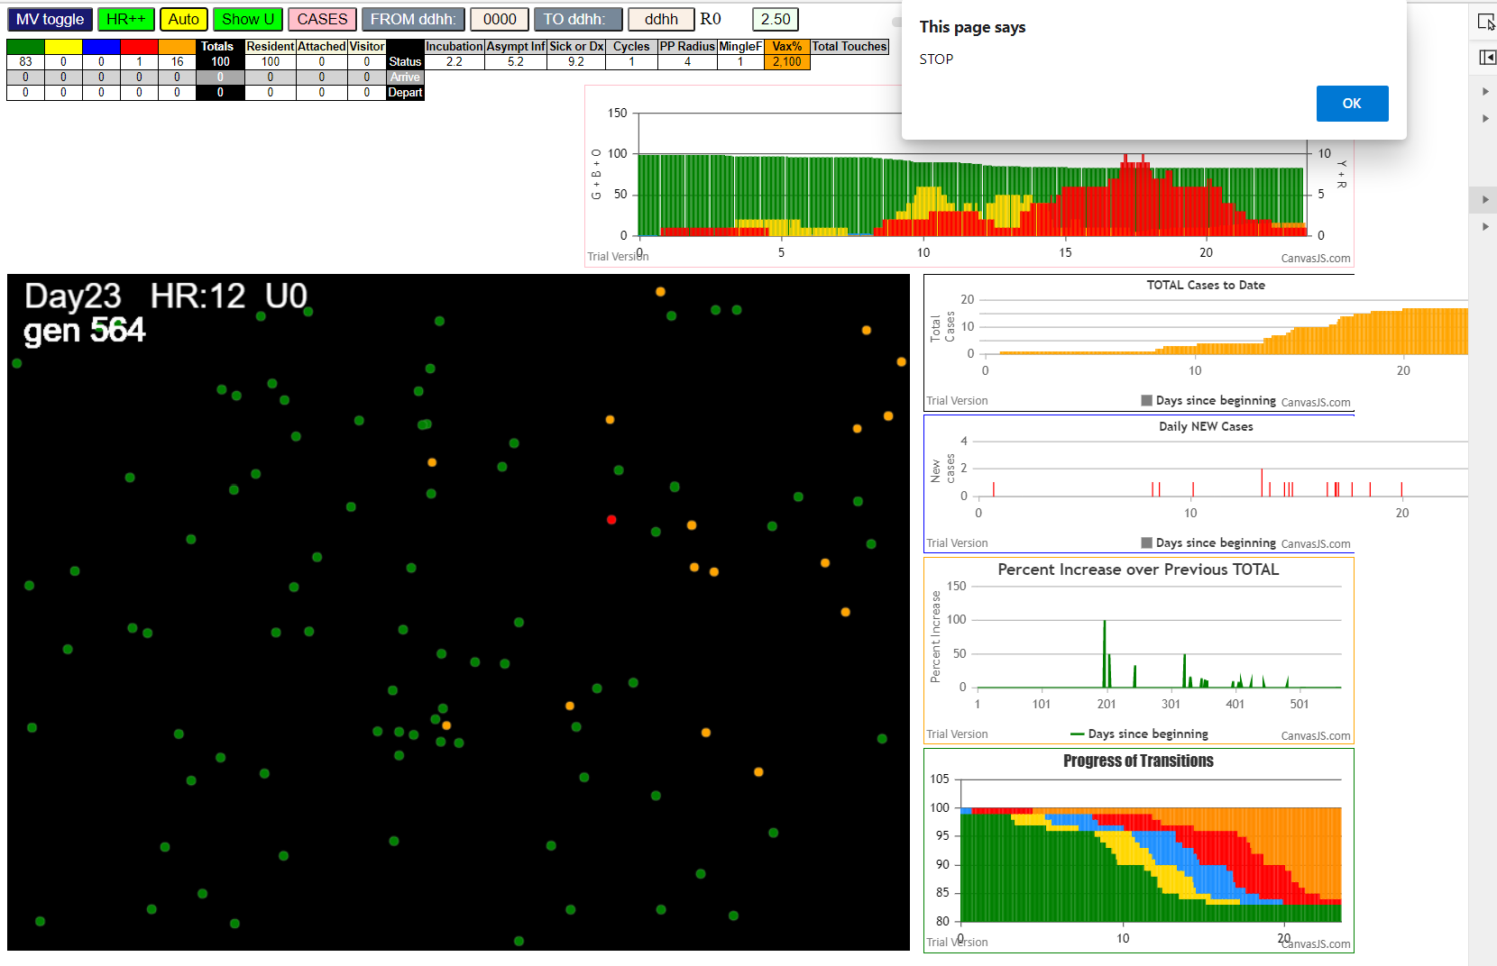
simulationRev2Vax.js:833 Tue Jan 05 2021 09:00:23 GMT-0800 (Pacific Standard Time)
simulationRev2Vax.js:834 CovidSIMVL Mode1 and Mod2 Moderna
simulationRev2Vax.js:4305 exit covidSim
simulationRev2Vax.js:23 getAsText File {name: "HundredAgentsU0mF1.csv", lastModified: 1608077990000, lastModifiedDate: Tue Dec 15 2020 16:19:50 GMT-0800 (Pacific Standard Time), webkitRelativePath: "", size: 2140, …}
simulationRev2Vax.js:32 File {name: "HundredAgentsU0mF1.csv", lastModified: 1608077990000, lastModifiedDate: Tue Dec 15 2020 16:19:50 GMT-0800 (Pacific Standard Time), webkitRelativePath: "", size: 2140, …}
simulationRev2Vax.js:23 getAsText File {name: "VL1.csv", lastModified: 1608081530000, lastModifiedDate: Tue Dec 15 2020 17:18:50 GMT-0800 (Pacific Standard Time), webkitRelativePath: "", size: 65, …}
simulationRev2Vax.js:32 File {name: "VL1.csv", lastModified: 1608081530000, lastModifiedDate: Tue Dec 15 2020 17:18:50 GMT-0800 (Pacific Standard Time), webkitRelativePath: "", size: 65, …}
simulationRev2Vax.js:1318 Case 5,5,3,3.6,4.2,A,5
simulationRev2Vax.js:1665 Mode 1,100 modified
simulationRev2Vax.js:1681 (100) [0, 1, 2, 3, 4, 5, 6, 7, 8, 9, 10, 11, 12, 13, 14, 15, 16, 17, 18, 19, 20, 21, 22, 23, 24, 25, 26, 27, 28, 29, 30, 31, 32, 33, 34, 35, 36, 37, 38, 39, 40, 41, 42, 43, 44, 45, 46, 47, 48, 49, 50, 51, 52, 53, 54, 55, 56, 57, 58, 59, 60, 61, 62, 63, 64, 65, 66, 67, 68, 69, 70, 71, 72, 73, 74, 75, 76, 77, 78, 79, 80, 81, 82, 83, 84, 85, 86, 87, 88, 89, 90, 91, 92, 93, 94, 95, 96, 97, 98, 99]
simulationRev2Vax.js:1691 (99) [0, 1, 2, 3, 4, 6, 7, 8, 9, 10, 11, 12, 13, 14, 15, 16, 17, 18, 19, 20, 21, 22, 23, 24, 25, 26, 27, 28, 29, 30, 31, 32, 33, 34, 35, 36, 37, 38, 39, 40, 41, 42, 43, 44, 45, 46, 47, 48, 49, 50, 51, 52, 53, 54, 55, 56, 57, 58, 59, 60, 61, 62, 63, 64, 65, 66, 67, 68, 69, 70, 71, 72, 73, 74, 75, 76, 77, 78, 79, 80, 81, 82, 83, 84, 85, 86, 87, 88, 89, 90, 91, 92, 93, 94, 95, 96, 97, 98, 99]
simulationRev2Vax.js:1719 Vaccination list = 99
simulationRev2Vax.js:1733 vaccinated 1,72,43,28,2,99,94,12,61,9,62,14,20,3,75,80,48,57,25,51,30,27,11,47,67,21,55,26,64,31,0,45,16,73,71,53,97,37,92,90,65,54,93,66,50,36,13,34,56,24,83,19,86,60,89,76,44,40,81,95,42,70,59,8,41,23,52,84,85,35,98,32,74,7,78,4,29,17,6,15,88,79,69,77,68,91,22,82,39,33,63,18,96,38,10,87,46,49,58
simulationRev2Vax.js:2140 1I j:famKey 38:-1 infected by blue i:famKey 5:-1 at gen 2 in Univ0 prob=0.262
simulationRev2Vax.js:2157 2I i:famKey 4:-1 infected by blue j:famKey 5:-1 at gen 4 in U0 prob=0.519
simulationRev2Vax.js:2140 3I j:famKey 75:-1 infected by red i:famKey 5:-1 at gen 25 in Univ0 prob=0.499
simulationRev2Vax.js:2140 4I j:famKey 13:-1 infected by red i:famKey 5:-1 at gen 44 in Univ0 prob=0.206
simulationRev2Vax.js:2140 5I j:famKey 52:-1 infected by red i:famKey 5:-1 at gen 86 in Univ0 prob=0.266
simulationRev2Vax.js:2140 6I j:famKey 57:-1 infected by red i:famKey 5:-1 at gen 95 in Univ0 prob=0.006
simulationRev2Vax.js:2140 7I j:famKey 95:-1 infected by red i:famKey 5:-1 at gen 101 in Univ0 prob=0.747
simulationRev2Vax.js:2157 7I i:famKey 19:-1 infected by blue j:famKey 75:-1 at gen 102 in U0 prob=0.226
simulationRev2Vax.js:2157 9I i:famKey 15:-1 infected by blue j:famKey 38:-1 at gen 109 in U0 prob=0.327
simulationRev2Vax.js:2157 9I i:famKey 53:-1 infected by blue j:famKey 75:-1 at gen 109 in U0 prob=0.761
simulationRev2Vax.js:2140 11I j:famKey 25:-1 infected by blue i:famKey 13:-1 at gen 131 in Univ0 prob=0.863
simulationRev2Vax.js:2157 12I i:famKey 12:-1 infected by blue j:famKey 57:-1 at gen 174 in U0 prob=0.041
simulationRev2Vax.js:2157 13I i:famKey 51:-1 infected by red j:famKey 75:-1 at gen 182 in U0 prob=0.645
simulationRev2Vax.js:2157 14I i:famKey 44:-1 infected by blue j:famKey 53:-1 at gen 185 in U0 prob=0.096
simulationRev2Vax.js:2157 14I i:famKey 44:-1 infected by blue j:famKey 57:-1 at gen 185 in U0 prob=0.189
simulationRev2Vax.js:2140 15I j:famKey 49:-1 infected by red i:famKey 38:-1 at gen 197 in Univ0 prob=0.987
simulationRev2Vax.js:2140 16I j:famKey 82:-1 infected by red i:famKey 38:-1 at gen 201 in Univ0 prob=0.985
simulationRev2Vax.js:2140 17I j:famKey 54:-1 infected by red i:famKey 38:-1 at gen 203 in Univ0 prob=0.363
simulationRev2Vax.js:2157 18I i:famKey 70:-1 infected by blue j:famKey 95:-1 at gen 221 in U0 prob=0.875
simulationRev2Vax.js:2140 19I j:famKey 84:-1 infected by blue i:famKey 44:-1 at gen 237 in Univ0 prob=0.660
simulationRev2Vax.js:2157 20I i:famKey 31:-1 infected by red j:famKey 52:-1 at gen 243 in U0 prob=0.725
simulationRev2Vax.js:2157 20I i:famKey 1:-1 infected by red j:famKey 38:-1 at gen 244 in U0 prob=0.845
simulationRev2Vax.js:2157 21I i:famKey 37:-1 infected by red j:famKey 75:-1 at gen 245 in U0 prob=0.671
simulationRev2Vax.js:2140 22I j:famKey 71:-1 infected by red i:famKey 38:-1 at gen 246 in Univ0 prob=0.369
simulationRev2Vax.js:2140 24I j:famKey 89:-1 infected by red i:famKey 53:-1 at gen 275 in Univ0 prob=0.720
simulationRev2Vax.js:2140 25I j:famKey 62:-1 infected by red i:famKey 57:-1 at gen 288 in Univ0 prob=0.502
simulationRev2Vax.js:2157 26I i:famKey 45:-1 infected by blue j:famKey 71:-1 at gen 318 in U0 prob=0.235
simulationRev2Vax.js:2157 27I i:famKey 58:-1 infected by blue j:famKey 71:-1 at gen 329 in U0 prob=0.319
simulationRev2Vax.js:2157 27I i:famKey 22:-1 infected by blue j:famKey 89:-1 at gen 330 in U0 prob=0.950
simulationRev2Vax.js:2140 28I j:famKey 59:-1 infected by red i:famKey 54:-1 at gen 331 in Univ0 prob=0.881
simulationRev2Vax.js:2157 30I i:famKey 3:-1 infected by blue j:famKey 58:-1 at gen 388 in U0 prob=0.862
simulationRev2Vax.js:2157 31I i:famKey 9:-1 infected by blue j:famKey 58:-1 at gen 402 in U0 prob=0.952
simulationRev2Vax.js:2140 32I j:famKey 41:-1 infected by red i:famKey 37:-1 at gen 412 in Univ0 prob=0.892
simulationRev2Vax.js:2157 33I i:famKey 66:-1 infected by red j:famKey 82:-1 at gen 435 in U0 prob=0.842
simulationRev2Vax.js:2140 34I j:famKey 46:-1 infected by red i:famKey 22:-1 at gen 467 in Univ0 prob=0.913
simulationRev2Vax.js:2140 35I j:famKey 6:-1 infected by red i:famKey 1:-1 at gen 488 in Univ0 prob=0.825
simulationRev2Vax.js:2157 36I i:famKey 43:-1 infected by red j:famKey 45:-1 at gen 510 in U0 prob=0.953
simulationRev2Vax.js:2157 37I i:famKey 24:-1 infected by blue j:famKey 46:-1 at gen 545 in U0 prob=0.826
simulationRev2Vax.js:2157 38I i:famKey 16:-1 infected by red j:famKey 45:-1 at gen 557 in U0 prob=0.802
simulationRev2Vax.js:2140 39I j:famKey 17:-1 infected by red i:famKey 3:-1 at gen 575 in Univ0 prob=0.938
simulationRev2Vax.js:2140 40I j:famKey 69:-1 infected by red i:famKey 66:-1 at gen 604 in Univ0 prob=0.828
simulationRev2Vax.js:2140 41I j:famKey 56:-1 infected by red i:famKey 3:-1 at gen 616 in Univ0 prob=0.976
simulationRev2Vax.js:2140 42I j:famKey 64:-1 infected by red i:famKey 6:-1 at gen 635 in Univ0 prob=0.919
simulationRev2Vax.js:2140 43I j:famKey 90:-1 infected by red i:famKey 41:-1 at gen 655 in Univ0 prob=0.980
simulationRev2Vax.js:2140 44I j:famKey 26:-1 infected by red i:famKey 16:-1 at gen 692 in Univ0 prob=0.981
simulationRev2Vax.js:2157 45I i:famKey 73:-1 infected by blue j:famKey 90:-1 at gen 715 in U0 prob=0.942
simulationRev2Vax.js:2157 46I i:famKey 11:-1 infected by red j:famKey 66:-1 at gen 723 in U0 prob=0.461
simulationRev2Vax.js:2157 47I i:famKey 0:-1 infected by red j:famKey 46:-1 at gen 746 in U0 prob=0.112
simulationRev2Vax.js:2157 48I i:famKey 21:-1 infected by red j:famKey 64:-1 at gen 777 in U0 prob=0.955
simulationRev2Vax.js:2157 49I i:famKey 33:-1 infected by red j:famKey 90:-1 at gen 783 in U0 prob=0.006
simulationRev2Vax.js:2157 50I i:famKey 28:-1 infected by red j:famKey 56:-1 at gen 787 in U0 prob=0.250
simulationRev2Vax.js:2140 51I j:famKey 72:-1 infected by red i:famKey 17:-1 at gen 803 in Univ0 prob=0.420
simulationRev2Vax.js:2140 52I j:famKey 78:-1 infected by red i:famKey 26:-1 at gen 810 in Univ0 prob=0.731
simulationRev2Vax.js:2140 53I j:famKey 48:-1 infected by red i:famKey 16:-1 at gen 826 in Univ0 prob=0.269
simulationRev2Vax.js:2157 54I i:famKey 65:-1 infected by red j:famKey 69:-1 at gen 828 in U0 prob=0.731
simulationRev2Vax.js:2140 55I j:famKey 30:-1 infected by blue i:famKey 28:-1 at gen 839 in Univ0 prob=0.341
simulationRev2Vax.js:2140 56I j:famKey 88:-1 infected by red i:famKey 73:-1 at gen 845 in Univ0 prob=0.257
simulationRev2Vax.js:2157 57I i:famKey 34:-1 infected by red j:famKey 56:-1 at gen 849 in U0 prob=0.663
simulationRev2Vax.js:2140 57I j:famKey 74:-1 infected by red i:famKey 73:-1 at gen 849 in Univ0 prob=0.519
simulationRev2Vax.js:2157 59I i:famKey 23:-1 infected by blue j:famKey 72:-1 at gen 876 in U0 prob=0.447
simulationRev2Vax.js:2140 60I j:famKey 86:-1 infected by blue i:famKey 21:-1 at gen 880 in Univ0 prob=0.429
simulationRev2Vax.js:2140 60I j:famKey 35:-1 infected by red i:famKey 26:-1 at gen 881 in Univ0 prob=0.886
simulationRev2Vax.js:2157 62I i:famKey 32:-1 infected by red j:famKey 73:-1 at gen 891 in U0 prob=0.408
simulationRev2Vax.js:2140 63I j:famKey 93:-1 infected by red i:famKey 21:-1 at gen 903 in Univ0 prob=0.871
simulationRev2Vax.js:2140 64I j:famKey 98:-1 infected by blue i:famKey 74:-1 at gen 905 in Univ0 prob=0.603
simulationRev2Vax.js:2140 65I j:famKey 96:-1 infected by red i:famKey 26:-1 at gen 912 in Univ0 prob=0.832
simulationRev2Vax.js:2157 65I i:famKey 79:-1 infected by blue j:famKey 88:-1 at gen 912 in U0 prob=0.756
simulationRev2Vax.js:2157 67I i:famKey 36:-1 infected by red j:famKey 64:-1 at gen 922 in U0 prob=0.875
simulationRev2Vax.js:2140 68I j:famKey 40:-1 infected by red i:famKey 21:-1 at gen 927 in Univ0 prob=0.389
simulationRev2Vax.js:2140 69I j:famKey 85:-1 infected by red i:famKey 26:-1 at gen 933 in Univ0 prob=0.585
simulationRev2Vax.js:2157 69I i:famKey 42:-1 infected by red j:famKey 73:-1 at gen 934 in U0 prob=0.806
simulationRev2Vax.js:2140 71I j:famKey 47:-1 infected by red i:famKey 0:-1 at gen 954 in Univ0 prob=0.224
simulationRev2Vax.js:2140 72I j:famKey 92:-1 infected by red i:famKey 78:-1 at gen 958 in Univ0 prob=0.952
simulationRev2Vax.js:2157 73I i:famKey 7:-1 infected by blue j:famKey 86:-1 at gen 961 in U0 prob=0.754
simulationRev2Vax.js:2140 73I j:famKey 50:-1 infected by blue i:famKey 34:-1 at gen 961 in Univ0 prob=0.089
simulationRev2Vax.js:2157 75I i:famKey 8:-1 infected by blue j:famKey 86:-1 at gen 963 in U0 prob=0.161
simulationRev2Vax.js:2140 76I j:famKey 81:-1 infected by red i:famKey 26:-1 at gen 973 in Univ0 prob=0.014
simulationRev2Vax.js:2157 76I i:famKey 77:-1 infected by red j:famKey 88:-1 at gen 973 in U0 prob=0.856
simulationRev2Vax.js:2157 78I i:famKey 68:-1 infected by red j:famKey 88:-1 at gen 976 in U0 prob=0.858
simulationRev2Vax.js:2157 79I i:famKey 67:-1 infected by blue j:famKey 96:-1 at gen 1002 in U0 prob=0.531
simulationRev2Vax.js:2157 80I i:famKey 20:-1 infected by blue j:famKey 40:-1 at gen 1005 in U0 prob=0.478
simulationRev2Vax.js:2140 81I j:famKey 61:-1 infected by blue i:famKey 40:-1 at gen 1012 in Univ0 prob=0.021
simulationRev2Vax.js:2157 82I i:famKey 29:-1 infected by red j:famKey 30:-1 at gen 1027 in U0 prob=0.360
simulationRev2Vax.js:2140 83I j:famKey 63:-1 infected by blue i:famKey 47:-1 at gen 1038 in Univ0 prob=0.401
simulationRev2Vax.js:2140 84I j:famKey 99:-1 infected by red i:famKey 42:-1 at gen 1086 in Univ0 prob=0.307
simulationRev2Vax.js:2157 85I i:famKey 39:-1 infected by red j:famKey 98:-1 at gen 1088 in U0 prob=0.555
simulationRev2Vax.js:2140 86I j:famKey 83:-1 infected by red i:famKey 42:-1 at gen 1110 in Univ0 prob=0.937
simulationRev2Vax.js:2157 87I i:famKey 10:-1 infected by red j:famKey 42:-1 at gen 1130 in U0 prob=0.718
simulationRev2Vax.js:2157 88I i:famKey 14:-1 infected by red j:famKey 93:-1 at gen 1162 in U0 prob=0.542
simulationRev2Vax.js:2140 89I j:famKey 97:-1 infected by red i:famKey 7:-1 at gen 1209 in Univ0 prob=0.963
simulationRev2Vax.js:2157 89I i:famKey 27:-1 infected by red j:famKey 68:-1 at gen 1210 in U0 prob=0.727
simulationRev2Vax.js:2140 91I j:famKey 94:-1 infected by red i:famKey 81:-1 at gen 1212 in Univ0 prob=0.400
simulationRev2Vax.js:2140 92I j:famKey 91:-1 infected by red i:famKey 47:-1 at gen 1232 in Univ0 prob=0.863 | 696 | 696
simulationRev2Vax.js:2157 93I i:famKey 2:-1 infected by red j:famKey 39:-1 at gen 1325 in U0 prob=0.388
 | 312
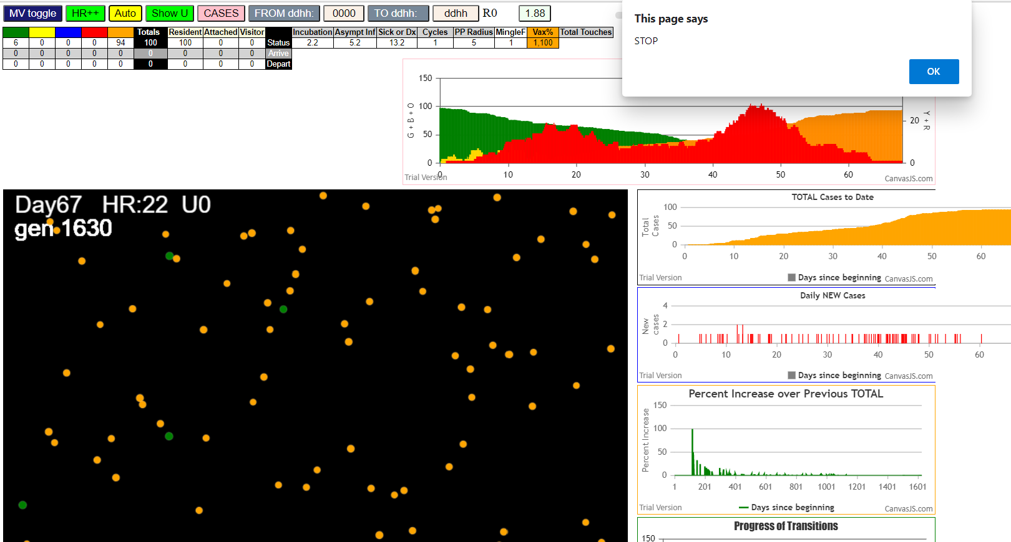

simulationRev2Vax.js:833 Tue Jan 05 2021 09:13:55 GMT-0800 (Pacific Standard Time)
simulationRev2Vax.js:834 CovidSIMVL Mode1 and Mod2 Moderna
simulationRev2Vax.js:4305 exit covidSim
simulationRev2Vax.js:23 getAsText File {name: "HundredAgentsU0mF1.csv", lastModified: 1608077990000, lastModifiedDate: Tue Dec 15 2020 16:19:50 GMT-0800 (Pacific Standard Time), webkitRelativePath: "", size: 2140, …}
simulationRev2Vax.js:32 File {name: "HundredAgentsU0mF1.csv", lastModified: 1608077990000, lastModifiedDate: Tue Dec 15 2020 16:19:50 GMT-0800 (Pacific Standard Time), webkitRelativePath: "", size: 2140, …}
simulationRev2Vax.js:23 getAsText File {name: "VL1.csv", lastModified: 1608081530000, lastModifiedDate: Tue Dec 15 2020 17:18:50 GMT-0800 (Pacific Standard Time), webkitRelativePath: "", size: 65, …}
simulationRev2Vax.js:32 File {name: "VL1.csv", lastModified: 1608081530000, lastModifiedDate: Tue Dec 15 2020 17:18:50 GMT-0800 (Pacific Standard Time), webkitRelativePath: "", size: 65, …}
simulationRev2Vax.js:1318 Case 5,5,3,3.6,4.2,A,5
simulationRev2Vax.js:1665 Mode 2,100 modified
simulationRev2Vax.js:1681 (100) [0, 1, 2, 3, 4, 5, 6, 7, 8, 9, 10, 11, 12, 13, 14, 15, 16, 17, 18, 19, 20, 21, 22, 23, 24, 25, 26, 27, 28, 29, 30, 31, 32, 33, 34, 35, 36, 37, 38, 39, 40, 41, 42, 43, 44, 45, 46, 47, 48, 49, 50, 51, 52, 53, 54, 55, 56, 57, 58, 59, 60, 61, 62, 63, 64, 65, 66, 67, 68, 69, 70, 71, 72, 73, 74, 75, 76, 77, 78, 79, 80, 81, 82, 83, 84, 85, 86, 87, 88, 89, 90, 91, 92, 93, 94, 95, 96, 97, 98, 99]
simulationRev2Vax.js:1691 (99) [0, 1, 2, 3, 4, 6, 7, 8, 9, 10, 11, 12, 13, 14, 15, 16, 17, 18, 19, 20, 21, 22, 23, 24, 25, 26, 27, 28, 29, 30, 31, 32, 33, 34, 35, 36, 37, 38, 39, 40, 41, 42, 43, 44, 45, 46, 47, 48, 49, 50, 51, 52, 53, 54, 55, 56, 57, 58, 59, 60, 61, 62, 63, 64, 65, 66, 67, 68, 69, 70, 71, 72, 73, 74, 75, 76, 77, 78, 79, 80, 81, 82, 83, 84, 85, 86, 87, 88, 89, 90, 91, 92, 93, 94, 95, 96, 97, 98, 99]
simulationRev2Vax.js:1719 Vaccination list = 99
simulationRev2Vax.js:1733 vaccinated 20,53,41,71,66,94,47,57,76,56,35,26,96,21,91,73,24,13,55,82,75,58,37,18,80,61,43,14,49,69,19,8,99,6,84,11,30,68,77,23,48,42,17,85,34,74,10,98,27,22,12,36,81,59,0,29,83,7,54,70,87,64,93,16,88,67,89,25,62,46,72,90,97,33,51,63,15,1,4,60,3,86,9,95,28,39,52,32,38,50,44,78,40,2,79,45,31,92,65
simulationRev2Vax.js:2157 1I i:famKey 3:-1 infected by blue j:famKey 5:-1 at gen 2 in U0 prob=0.360
simulationRev2Vax.js:2140 2I j:famKey 14:-1 infected by blue i:famKey 5:-1 at gen 13 in Univ0 prob=0.259
simulationRev2Vax.js:2140 3I j:famKey 26:-1 infected by red i:famKey 5:-1 at gen 32 in Univ0 prob=0.144
simulationRev2Vax.js:2140 4I j:famKey 45:-1 infected by red i:famKey 5:-1 at gen 53 in Univ0 prob=0.367
simulationRev2Vax.js:2140 5I j:famKey 12:-1 infected by red i:famKey 5:-1 at gen 66 in Univ0 prob=0.278
simulationRev2Vax.js:2140 6I j:famKey 77:-1 infected by blue i:famKey 3:-1 at gen 80 in Univ0 prob=0.591
simulationRev2Vax.js:2140 6I j:famKey 47:-1 infected by blue i:famKey 14:-1 at gen 81 in Univ0 prob=0.462
simulationRev2Vax.js:2140 6I j:famKey 53:-1 infected by blue i:famKey 14:-1 at gen 81 in Univ0 prob=0.246
simulationRev2Vax.js:2140 9I j:famKey 99:-1 infected by red i:famKey 5:-1 at gen 85 in Univ0 prob=0.485
simulationRev2Vax.js:2140 10I j:famKey 56:-1 infected by red i:famKey 5:-1 at gen 89 in Univ0 prob=0.467
simulationRev2Vax.js:2140 11I j:famKey 82:-1 infected by blue i:famKey 26:-1 at gen 109 in Univ0 prob=0.817
simulationRev2Vax.js:2140 12I j:famKey 63:-1 infected by blue i:famKey 26:-1 at gen 111 in Univ0 prob=0.704
simulationRev2Vax.js:2140 12I j:famKey 70:-1 infected by red i:famKey 5:-1 at gen 112 in Univ0 prob=0.080
simulationRev2Vax.js:2157 12I i:famKey 22:-1 infected by blue j:famKey 26:-1 at gen 112 in U0 prob=0.220
simulationRev2Vax.js:2140 15I j:famKey 60:-1 infected by blue i:famKey 12:-1 at gen 119 in Univ0 prob=0.736
simulationRev2Vax.js:2140 16I j:famKey 69:-1 infected by red i:famKey 3:-1 at gen 127 in Univ0 prob=0.877
simulationRev2Vax.js:2140 17I j:famKey 49:-1 infected by blue i:famKey 14:-1 at gen 133 in Univ0 prob=0.556
simulationRev2Vax.js:2140 18I j:famKey 76:-1 infected by red i:famKey 5:-1 at gen 135 in Univ0 prob=0.166
simulationRev2Vax.js:2140 18I j:famKey 39:-1 infected by blue i:famKey 26:-1 at gen 136 in Univ0 prob=0.473
simulationRev2Vax.js:2140 20I j:famKey 59:-1 infected by blue i:famKey 47:-1 at gen 166 in Univ0 prob=0.224
simulationRev2Vax.js:2140 21I j:famKey 88:-1 infected by blue i:famKey 53:-1 at gen 169 in Univ0 prob=0.459
simulationRev2Vax.js:2140 22I j:famKey 74:-1 infected by red i:famKey 5:-1 at gen 176 in Univ0 prob=0.993
simulationRev2Vax.js:2140 23I j:famKey 55:-1 infected by red i:famKey 45:-1 at gen 178 in Univ0 prob=0.265
simulationRev2Vax.js:2140 24I j:famKey 35:-1 infected by red i:famKey 5:-1 at gen 180 in Univ0 prob=0.738
simulationRev2Vax.js:2157 24I i:famKey 48:-1 infected by blue j:famKey 99:-1 at gen 180 in U0 prob=0.007
simulationRev2Vax.js:2140 26I j:famKey 80:-1 infected by red i:famKey 14:-1 at gen 185 in Univ0 prob=0.953
simulationRev2Vax.js:2157 26I i:famKey 15:-1 infected by blue j:famKey 77:-1 at gen 186 in U0 prob=0.073
simulationRev2Vax.js:2157 26I i:famKey 33:-1 infected by blue j:famKey 63:-1 at gen 186 in U0 prob=0.520
simulationRev2Vax.js:2140 29I j:famKey 50:-1 infected by yellow i:famKey 15:-1 at gen 189 in Univ0 prob=0.958
simulationRev2Vax.js:2157 29I i:famKey 30:-1 infected by blue j:famKey 99:-1 at gen 189 in U0 prob=0.123
simulationRev2Vax.js:2140 29I j:famKey 94:-1 infected by yellow i:famKey 15:-1 at gen 190 in Univ0 prob=0.351
simulationRev2Vax.js:2157 31I i:famKey 43:-1 infected by blue j:famKey 53:-1 at gen 191 in U0 prob=0.790
simulationRev2Vax.js:2157 33I i:famKey 31:-1 infected by blue j:famKey 47:-1 at gen 194 in U0 prob=0.495
simulationRev2Vax.js:2157 34I i:famKey 18:-1 infected by blue j:famKey 69:-1 at gen 202 in U0 prob=0.065
simulationRev2Vax.js:2157 35I i:famKey 28:-1 infected by blue j:famKey 76:-1 at gen 207 in U0 prob=0.485
simulationRev2Vax.js:2140 36I j:famKey 75:-1 infected by blue i:famKey 60:-1 at gen 218 in Univ0 prob=0.349
simulationRev2Vax.js:2140 37I j:famKey 61:-1 infected by blue i:famKey 49:-1 at gen 222 in Univ0 prob=0.598
simulationRev2Vax.js:2157 38I i:famKey 38:-1 infected by red j:famKey 77:-1 at gen 225 in U0 prob=0.411
simulationRev2Vax.js:2140 38I j:famKey 83:-1 infected by red i:famKey 22:-1 at gen 226 in Univ0 prob=0.800
simulationRev2Vax.js:2157 39I i:famKey 6:-1 infected by yellow j:famKey 55:-1 at gen 227 in U0 prob=0.891
simulationRev2Vax.js:2140 41I j:famKey 97:-1 infected by yellow i:famKey 38:-1 at gen 232 in Univ0 prob=0.911
simulationRev2Vax.js:2140 42I j:famKey 58:-1 infected by red i:famKey 22:-1 at gen 239 in Univ0 prob=0.122
simulationRev2Vax.js:2140 43I j:famKey 91:-1 infected by red i:famKey 14:-1 at gen 242 in Univ0 prob=0.093
simulationRev2Vax.js:2157 44I i:famKey 9:-1 infected by blue j:famKey 88:-1 at gen 244 in U0 prob=0.753
simulationRev2Vax.js:2157 44I i:famKey 10:-1 infected by blue j:famKey 49:-1 at gen 245 in U0 prob=0.439
simulationRev2Vax.js:2157 46I i:famKey 21:-1 infected by blue j:famKey 55:-1 at gen 251 in U0 prob=0.932
simulationRev2Vax.js:2140 46I j:famKey 52:-1 infected by red i:famKey 47:-1 at gen 252 in Univ0 prob=0.461
simulationRev2Vax.js:2140 47I j:famKey 72:-1 infected by blue i:famKey 48:-1 at gen 253 in Univ0 prob=0.162
simulationRev2Vax.js:2157 49I i:famKey 27:-1 infected by red j:famKey 47:-1 at gen 258 in U0 prob=0.043
simulationRev2Vax.js:2157 50I i:famKey 24:-1 infected by blue j:famKey 80:-1 at gen 260 in U0 prob=0.415
simulationRev2Vax.js:2140 51I j:famKey 87:-1 infected by blue i:famKey 80:-1 at gen 263 in Univ0 prob=0.900
simulationRev2Vax.js:2140 52I j:famKey 62:-1 infected by red i:famKey 45:-1 at gen 265 in Univ0 prob=0.406
simulationRev2Vax.js:2157 53I i:famKey 20:-1 infected by yellow j:famKey 27:-1 at gen 267 in U0 prob=0.806
simulationRev2Vax.js:2157 53I i:famKey 44:-1 infected by blue j:famKey 94:-1 at gen 267 in U0 prob=0.085
simulationRev2Vax.js:2140 55I j:famKey 41:-1 infected by blue i:famKey 28:-1 at gen 272 in Univ0 prob=0.050
simulationRev2Vax.js:2157 55I i:famKey 4:-1 infected by red j:famKey 77:-1 at gen 273 in U0 prob=0.937
simulationRev2Vax.js:2157 55I i:famKey 57:-1 infected by red j:famKey 77:-1 at gen 273 in U0 prob=0.934
simulationRev2Vax.js:2157 55I i:famKey 78:-1 infected by blue j:famKey 94:-1 at gen 273 in U0 prob=0.816
simulationRev2Vax.js:2157 59I i:famKey 65:-1 infected by blue j:famKey 94:-1 at gen 289 in U0 prob=0.557
simulationRev2Vax.js:2140 60I j:famKey 84:-1 infected by blue i:famKey 61:-1 at gen 294 in Univ0 prob=0.817
simulationRev2Vax.js:2157 61I i:famKey 23:-1 infected by blue j:famKey 30:-1 at gen 296 in U0 prob=0.165
simulationRev2Vax.js:2140 62I j:famKey 67:-1 infected by blue i:famKey 31:-1 at gen 299 in Univ0 prob=0.298
simulationRev2Vax.js:2140 63I j:famKey 64:-1 infected by blue i:famKey 50:-1 at gen 301 in Univ0 prob=0.610
simulationRev2Vax.js:2140 64I j:famKey 36:-1 infected by blue i:famKey 31:-1 at gen 303 in Univ0 prob=0.584
simulationRev2Vax.js:2140 65I j:famKey 95:-1 infected by red i:famKey 80:-1 at gen 309 in Univ0 prob=0.541
simulationRev2Vax.js:2140 66I j:famKey 96:-1 infected by red i:famKey 76:-1 at gen 312 in Univ0 prob=0.733
simulationRev2Vax.js:2157 66I i:famKey 25:-1 infected by red j:famKey 59:-1 at gen 313 in U0 prob=0.933
simulationRev2Vax.js:2140 68I j:famKey 93:-1 infected by red i:famKey 39:-1 at gen 316 in Univ0 prob=0.182
simulationRev2Vax.js:2140 68I j:famKey 90:-1 infected by red i:famKey 49:-1 at gen 316 in Univ0 prob=0.044
simulationRev2Vax.js:2140 70I j:famKey 46:-1 infected by red i:famKey 31:-1 at gen 323 in Univ0 prob=0.727
simulationRev2Vax.js:2157 70I i:famKey 73:-1 infected by red j:famKey 74:-1 at gen 324 in U0 prob=0.513
simulationRev2Vax.js:2140 72I j:famKey 85:-1 infected by red i:famKey 50:-1 at gen 331 in Univ0 prob=0.264
simulationRev2Vax.js:2157 73I i:famKey 1:-1 infected by blue j:famKey 44:-1 at gen 342 in U0 prob=0.896
simulationRev2Vax.js:2140 74I j:famKey 29:-1 infected by blue i:famKey 10:-1 at gen 345 in Univ0 prob=0.905
simulationRev2Vax.js:2157 75I i:famKey 8:-1 infected by red j:famKey 58:-1 at gen 358 in U0 prob=0.806
simulationRev2Vax.js:2140 75I j:famKey 92:-1 infected by blue i:famKey 10:-1 at gen 358 in Univ0 prob=0.801
simulationRev2Vax.js:2140 77I j:famKey 81:-1 infected by blue i:famKey 62:-1 at gen 362 in Univ0 prob=0.934
simulationRev2Vax.js:2157 78I i:famKey 34:-1 infected by blue j:famKey 90:-1 at gen 370 in U0 prob=0.915
simulationRev2Vax.js:2157 79I i:famKey 7:-1 infected by red j:famKey 59:-1 at gen 413 in U0 prob=0.877
simulationRev2Vax.js:2140 80I j:famKey 79:-1 infected by blue i:famKey 29:-1 at gen 426 in Univ0 prob=0.881
simulationRev2Vax.js:2157 81I i:famKey 11:-1 infected by blue j:famKey 29:-1 at gen 444 in U0 prob=0.974
simulationRev2Vax.js:2140 82I j:famKey 71:-1 infected by red i:famKey 35:-1 at gen 448 in Univ0 prob=0.868
simulationRev2Vax.js:2157 83I i:famKey 19:-1 infected by red j:famKey 93:-1 at gen 461 in U0 prob=0.945
simulationRev2Vax.js:2157 84I i:famKey 16:-1 infected by red j:famKey 27:-1 at gen 490 in U0 prob=0.869
simulationRev2Vax.js:2157 85I i:famKey 13:-1 infected by red j:famKey 61:-1 at gen 492 in U0 prob=0.832
simulationRev2Vax.js:2157 86I i:famKey 32:-1 infected by blue j:famKey 79:-1 at gen 529 in U0 prob=0.941
simulationRev2Vax.js:2140 87I j:famKey 86:-1 infected by blue i:famKey 11:-1 at gen 545 in Univ0 prob=0.968
simulationRev2Vax.js:2140 88I j:famKey 37:-1 infected by red i:famKey 20:-1 at gen 549 in Univ0 prob=0.868
simulationRev2Vax.js:2157 89I i:famKey 40:-1 infected by blue j:famKey 71:-1 at gen 554 in U0 prob=0.862
simulationRev2Vax.js:2157 90I i:famKey 54:-1 infected by red j:famKey 73:-1 at gen 579 in U0 prob=0.880
simulationRev2Vax.js:2157 91I i:famKey 42:-1 infected by blue j:famKey 54:-1 at gen 652 in U0 prob=0.810
simulationRev2Vax.js:2140 92I j:famKey 98:-1 infected by red i:famKey 32:-1 at gen 670 in Univ0 prob=0.916
simulationRev2Vax.js:2157 92I i:famKey 2:-1 infected by red j:famKey 79:-1 at gen 671 in U0 prob=0.946

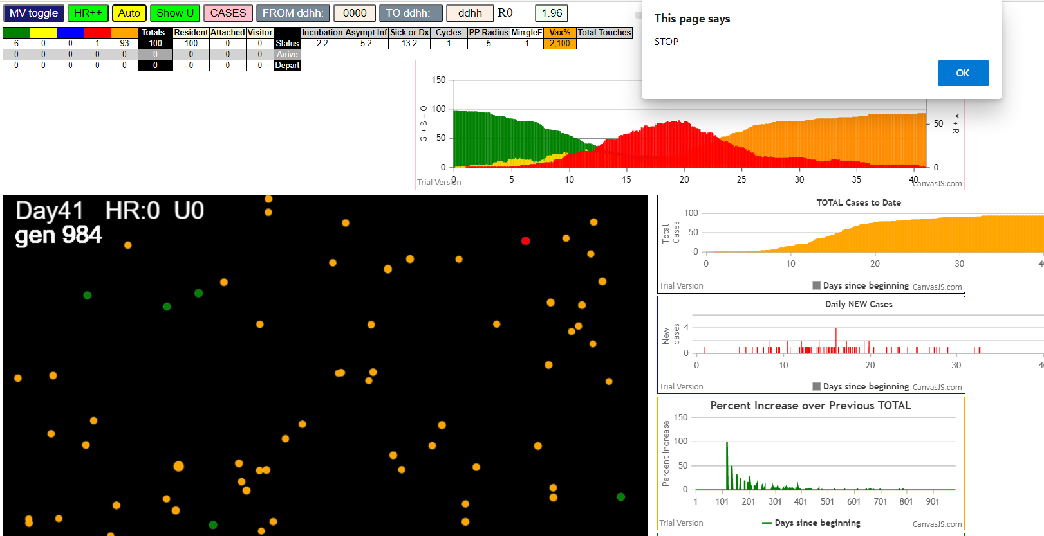

simulationRev2Vax.js:833 Tue Jan 05 2021 09:50:08 GMT-0800 (Pacific Standard Time)
simulationRev2Vax.js:834 CovidSIMVL Mode1 and Mod2 Moderna
simulationRev2Vax.js:4305 exit covidSim
simulationRev2Vax.js:23 getAsText File {name: "HundredAgentsU0mF1.csv", lastModified: 1608077990000, lastModifiedDate: Tue Dec 15 2020 16:19:50 GMT-0800 (Pacific Standard Time), webkitRelativePath: "", size: 2140, …}
simulationRev2Vax.js:32 File {name: "HundredAgentsU0mF1.csv", lastModified: 1608077990000, lastModifiedDate: Tue Dec 15 2020 16:19:50 GMT-0800 (Pacific Standard Time), webkitRelativePath: "", size: 2140, …}
simulationRev2Vax.js:23 getAsText File {name: "VL1.csv", lastModified: 1608081530000, lastModifiedDate: Tue Dec 15 2020 17:18:50 GMT-0800 (Pacific Standard Time), webkitRelativePath: "", size: 65, …}
simulationRev2Vax.js:32 File {name: "VL1.csv", lastModified: 1608081530000, lastModifiedDate: Tue Dec 15 2020 17:18:50 GMT-0800 (Pacific Standard Time), webkitRelativePath: "", size: 65, …}
simulationRev2Vax.js:1318 Case 5,5,3,3.6,4.2,A,5
simulationRev2Vax.js:1665 Mode 2,100 modified
simulationRev2Vax.js:1681 (100) [0, 1, 2, 3, 4, 5, 6, 7, 8, 9, 10, 11, 12, 13, 14, 15, 16, 17, 18, 19, 20, 21, 22, 23, 24, 25, 26, 27, 28, 29, 30, 31, 32, 33, 34, 35, 36, 37, 38, 39, 40, 41, 42, 43, 44, 45, 46, 47, 48, 49, 50, 51, 52, 53, 54, 55, 56, 57, 58, 59, 60, 61, 62, 63, 64, 65, 66, 67, 68, 69, 70, 71, 72, 73, 74, 75, 76, 77, 78, 79, 80, 81, 82, 83, 84, 85, 86, 87, 88, 89, 90, 91, 92, 93, 94, 95, 96, 97, 98, 99]
simulationRev2Vax.js:1691 (99) [0, 1, 2, 3, 4, 6, 7, 8, 9, 10, 11, 12, 13, 14, 15, 16, 17, 18, 19, 20, 21, 22, 23, 24, 25, 26, 27, 28, 29, 30, 31, 32, 33, 34, 35, 36, 37, 38, 39, 40, 41, 42, 43, 44, 45, 46, 47, 48, 49, 50, 51, 52, 53, 54, 55, 56, 57, 58, 59, 60, 61, 62, 63, 64, 65, 66, 67, 68, 69, 70, 71, 72, 73, 74, 75, 76, 77, 78, 79, 80, 81, 82, 83, 84, 85, 86, 87, 88, 89, 90, 91, 92, 93, 94, 95, 96, 97, 98, 99]
simulationRev2Vax.js:1719 Vaccination list = 99
simulationRev2Vax.js:1733 vaccinated 36,31,41,8,30,13,80,75,50,49,7,89,22,10,78,83,84,99,23,54,0,85,58,55,62,44,51,97,56,63,73,1,29,25,12,32,35,86,52,38,74,6,47,4,66,57,90,60,17,69,61,37,39,14,15,72,96,93,98,70,87,88,94,77,40,3,92,68,67,9,76,28,43,2,21,91,81,16,20,18,42,34,53,19,26,65,59,46,82,11,33,79,71,45,27,48,24,64,95
simulationRev2Vax.js:2140 1I j:famKey 56:-1 infected by blue i:famKey 5:-1 at gen 2 in Univ0 prob=0.513
simulationRev2Vax.js:2140 2I j:famKey 81:-1 infected by blue i:famKey 5:-1 at gen 12 in Univ0 prob=0.049
simulationRev2Vax.js:2140 3I j:famKey 50:-1 infected by red i:famKey 5:-1 at gen 31 in Univ0 prob=0.884
simulationRev2Vax.js:2140 4I j:famKey 94:-1 infected by red i:famKey 5:-1 at gen 69 in Univ0 prob=0.227
simulationRev2Vax.js:2157 5I i:famKey 44:-1 infected by blue j:famKey 56:-1 at gen 75 in U0 prob=0.797
simulationRev2Vax.js:2157 6I i:famKey 55:-1 infected by blue j:famKey 56:-1 at gen 86 in U0 prob=0.349
simulationRev2Vax.js:2140 6I j:famKey 42:-1 infected by red i:famKey 5:-1 at gen 87 in Univ0 prob=0.783
simulationRev2Vax.js:2140 8I j:famKey 59:-1 infected by blue i:famKey 56:-1 at gen 94 in Univ0 prob=0.177
simulationRev2Vax.js:2140 9I j:famKey 71:-1 infected by red i:famKey 5:-1 at gen 97 in Univ0 prob=0.867
simulationRev2Vax.js:2140 9I j:famKey 86:-1 infected by blue i:famKey 81:-1 at gen 97 in Univ0 prob=0.603
simulationRev2Vax.js:2140 9I j:famKey 99:-1 infected by green i:famKey 86:-1 at gen 97 in Univ0 prob=0.693
simulationRev2Vax.js:2140 12I j:famKey 84:-1 infected by blue i:famKey 56:-1 at gen 106 in Univ0 prob=0.560
simulationRev2Vax.js:2157 13I i:famKey 37:-1 infected by blue j:famKey 56:-1 at gen 111 in U0 prob=0.276
simulationRev2Vax.js:2140 14I j:famKey 43:-1 infected by red i:famKey 5:-1 at gen 113 in Univ0 prob=0.478
simulationRev2Vax.js:2157 15I i:famKey 46:-1 infected by red j:famKey 56:-1 at gen 118 in U0 prob=0.634
simulationRev2Vax.js:2140 16I j:famKey 82:-1 infected by red i:famKey 5:-1 at gen 125 in Univ0 prob=0.159
simulationRev2Vax.js:2157 17I i:famKey 28:-1 infected by red j:famKey 56:-1 at gen 129 in U0 prob=0.273
simulationRev2Vax.js:2140 17I j:famKey 69:-1 infected by red i:famKey 56:-1 at gen 130 in Univ0 prob=0.359
simulationRev2Vax.js:2157 18I i:famKey 49:-1 infected by blue j:famKey 81:-1 at gen 131 in U0 prob=0.040
simulationRev2Vax.js:2140 20I j:famKey 87:-1 infected by blue i:famKey 81:-1 at gen 135 in Univ0 prob=0.600
simulationRev2Vax.js:2140 20I j:famKey 77:-1 infected by red i:famKey 5:-1 at gen 136 in Univ0 prob=0.899
simulationRev2Vax.js:2157 22I i:famKey 9:-1 infected by red j:famKey 81:-1 at gen 138 in U0 prob=0.404
simulationRev2Vax.js:2157 23I i:famKey 20:-1 infected by blue j:famKey 94:-1 at gen 143 in U0 prob=0.130
simulationRev2Vax.js:2140 24I j:famKey 48:-1 infected by blue i:famKey 42:-1 at gen 163 in Univ0 prob=0.560
simulationRev2Vax.js:2157 24I i:famKey 73:-1 infected by yellow j:famKey 77:-1 at gen 163 in U0 prob=0.566
simulationRev2Vax.js:2140 26I j:famKey 88:-1 infected by blue i:famKey 44:-1 at gen 170 in Univ0 prob=0.627
simulationRev2Vax.js:2157 27I i:famKey 21:-1 infected by red j:famKey 81:-1 at gen 173 in U0 prob=0.023
simulationRev2Vax.js:2157 28I i:famKey 51:-1 infected by blue j:famKey 99:-1 at gen 181 in U0 prob=0.052
simulationRev2Vax.js:2140 29I j:famKey 97:-1 infected by red i:famKey 81:-1 at gen 201 in Univ0 prob=0.875
simulationRev2Vax.js:2157 30I i:famKey 35:-1 infected by blue j:famKey 99:-1 at gen 205 in U0 prob=0.661
simulationRev2Vax.js:2157 31I i:famKey 47:-1 infected by blue j:famKey 87:-1 at gen 207 in U0 prob=0.455
simulationRev2Vax.js:2157 32I i:famKey 76:-1 infected by red j:famKey 81:-1 at gen 219 in U0 prob=0.915
simulationRev2Vax.js:2140 32I j:famKey 91:-1 infected by red i:famKey 50:-1 at gen 220 in Univ0 prob=0.972
simulationRev2Vax.js:2157 34I i:famKey 2:-1 infected by blue j:famKey 9:-1 at gen 222 in U0 prob=0.042
simulationRev2Vax.js:2157 34I i:famKey 70:-1 infected by blue j:famKey 82:-1 at gen 222 in U0 prob=0.364
simulationRev2Vax.js:2157 34I i:famKey 36:-1 infected by blue j:famKey 49:-1 at gen 223 in U0 prob=0.248
simulationRev2Vax.js:2157 37I i:famKey 8:-1 infected by blue j:famKey 77:-1 at gen 227 in U0 prob=0.207
simulationRev2Vax.js:2157 38I i:famKey 13:-1 infected by blue j:famKey 48:-1 at gen 233 in U0 prob=0.133
simulationRev2Vax.js:2157 39I i:famKey 22:-1 infected by blue j:famKey 28:-1 at gen 237 in U0 prob=0.909
simulationRev2Vax.js:2157 40I i:famKey 1:-1 infected by blue j:famKey 28:-1 at gen 247 in U0 prob=0.315
simulationRev2Vax.js:2157 40I i:famKey 65:-1 infected by red j:famKey 71:-1 at gen 248 in U0 prob=0.554
simulationRev2Vax.js:2140 41I j:famKey 85:-1 infected by yellow i:famKey 1:-1 at gen 249 in Univ0 prob=0.491
simulationRev2Vax.js:2140 43I j:famKey 53:-1 infected by red i:famKey 37:-1 at gen 259 in Univ0 prob=0.692
simulationRev2Vax.js:2140 44I j:famKey 95:-1 infected by red i:famKey 81:-1 at gen 274 in Univ0 prob=0.766
simulationRev2Vax.js:2157 44I i:famKey 6:-1 infected by red j:famKey 37:-1 at gen 275 in U0 prob=0.794
simulationRev2Vax.js:2140 46I j:famKey 62:-1 infected by red i:famKey 20:-1 at gen 290 in Univ0 prob=0.562
simulationRev2Vax.js:2140 46I j:famKey 60:-1 infected by blue i:famKey 22:-1 at gen 291 in Univ0 prob=0.253
simulationRev2Vax.js:2157 48I i:famKey 17:-1 infected by blue j:famKey 22:-1 at gen 295 in U0 prob=0.460
simulationRev2Vax.js:2157 49I i:famKey 7:-1 infected by red j:famKey 87:-1 at gen 297 in U0 prob=0.387
simulationRev2Vax.js:2157 50I i:famKey 11:-1 infected by blue j:famKey 22:-1 at gen 299 in U0 prob=0.162
simulationRev2Vax.js:2157 51I i:famKey 74:-1 infected by red j:famKey 82:-1 at gen 308 in U0 prob=0.613
simulationRev2Vax.js:2140 51I j:famKey 89:-1 infected by red i:famKey 88:-1 at gen 308 in Univ0 prob=0.299
simulationRev2Vax.js:2140 53I j:famKey 32:-1 infected by blue i:famKey 22:-1 at gen 321 in Univ0 prob=0.417
simulationRev2Vax.js:2157 53I i:famKey 31:-1 infected by red j:famKey 88:-1 at gen 322 in U0 prob=0.472
simulationRev2Vax.js:2140 54I j:famKey 58:-1 infected by red i:famKey 37:-1 at gen 323 in Univ0 prob=0.505
simulationRev2Vax.js:2157 56I i:famKey 25:-1 infected by red j:famKey 94:-1 at gen 327 in U0 prob=0.735
simulationRev2Vax.js:2157 56I i:famKey 80:-1 infected by blue j:famKey 85:-1 at gen 328 in U0 prob=0.742
simulationRev2Vax.js:2140 58I j:famKey 63:-1 infected by blue i:famKey 53:-1 at gen 331 in Univ0 prob=0.363
simulationRev2Vax.js:2140 59I j:famKey 27:-1 infected by blue i:famKey 13:-1 at gen 335 in Univ0 prob=0.602
simulationRev2Vax.js:2140 60I j:famKey 34:-1 infected by blue i:famKey 17:-1 at gen 400 in Univ0 prob=0.924
simulationRev2Vax.js:2157 61I i:famKey 29:-1 infected by red j:famKey 53:-1 at gen 402 in U0 prob=0.978
simulationRev2Vax.js:2140 62I j:famKey 75:-1 infected by red i:famKey 53:-1 at gen 404 in Univ0 prob=0.840
simulationRev2Vax.js:2140 63I j:famKey 78:-1 infected by red i:famKey 53:-1 at gen 411 in Univ0 prob=0.917
simulationRev2Vax.js:2140 64I j:famKey 83:-1 infected by blue i:famKey 32:-1 at gen 417 in Univ0 prob=0.827
simulationRev2Vax.js:2140 65I j:famKey 93:-1 infected by blue i:famKey 58:-1 at gen 426 in Univ0 prob=0.997
simulationRev2Vax.js:2157 66I i:famKey 61:-1 infected by red j:famKey 85:-1 at gen 444 in U0 prob=0.945
simulationRev2Vax.js:2140 67I j:famKey 96:-1 infected by red i:famKey 22:-1 at gen 470 in Univ0 prob=0.955
simulationRev2Vax.js:2157 68I i:famKey 54:-1 infected by blue j:famKey 75:-1 at gen 472 in U0 prob=0.999
simulationRev2Vax.js:2157 69I i:famKey 0:-1 infected by blue j:famKey 75:-1 at gen 479 in U0 prob=0.935
simulationRev2Vax.js:2157 70I i:famKey 30:-1 infected by blue j:famKey 75:-1 at gen 482 in U0 prob=0.881
simulationRev2Vax.js:2140 71I j:famKey 90:-1 infected by blue i:famKey 75:-1 at gen 489 in Univ0 prob=0.881
simulationRev2Vax.js:2140 72I j:famKey 39:-1 infected by red i:famKey 32:-1 at gen 571 in Univ0 prob=0.933
simulationRev2Vax.js:2157 73I i:famKey 12:-1 infected by red j:famKey 63:-1 at gen 574 in U0 prob=0.883
simulationRev2Vax.js:2140 74I j:famKey 64:-1 infected by red i:famKey 30:-1 at gen 603 in Univ0 prob=0.807
simulationRev2Vax.js:2140 75I j:famKey 40:-1 infected by red i:famKey 29:-1 at gen 609 in Univ0 prob=0.827

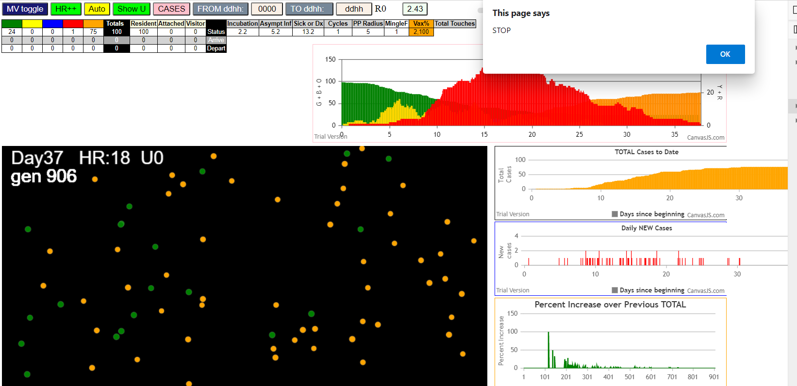

simulationRev2Vax.js:833 Tue Jan 05 2021 09:57:21 GMT-0800 (Pacific Standard Time)
simulationRev2Vax.js:834 CovidSIMVL Mode1 and Mod2 Moderna
simulationRev2Vax.js:4305 exit covidSim
simulationRev2Vax.js:23 getAsText File {name: "HundredAgentsU0mF1.csv", lastModified: 1608077990000, lastModifiedDate: Tue Dec 15 2020 16:19:50 GMT-0800 (Pacific Standard Time), webkitRelativePath: "", size: 2140, …}
simulationRev2Vax.js:32 File {name: "HundredAgentsU0mF1.csv", lastModified: 1608077990000, lastModifiedDate: Tue Dec 15 2020 16:19:50 GMT-0800 (Pacific Standard Time), webkitRelativePath: "", size: 2140, …}
simulationRev2Vax.js:23 getAsText File {name: "VL1.csv", lastModified: 1608081530000, lastModifiedDate: Tue Dec 15 2020 17:18:50 GMT-0800 (Pacific Standard Time), webkitRelativePath: "", size: 65, …}
simulationRev2Vax.js:32 File {name: "VL1.csv", lastModified: 1608081530000, lastModifiedDate: Tue Dec 15 2020 17:18:50 GMT-0800 (Pacific Standard Time), webkitRelativePath: "", size: 65, …}
simulationRev2Vax.js:1318 Case 5,5,3,3.6,4.2,A,5
simulationRev2Vax.js:2140 0I j:famKey 92:-1 infected by green i:famKey 5:-1 at gen 0 in Univ0 prob=0.601
simulationRev2Vax.js:2140 0I j:famKey 88:-1 infected by blue i:famKey 5:-1 at gen 1 in Univ0 prob=0.200
simulationRev2Vax.js:1665 Mode 2,100 modified
simulationRev2Vax.js:1681 (100) [0, 1, 2, 3, 4, 5, 6, 7, 8, 9, 10, 11, 12, 13, 14, 15, 16, 17, 18, 19, 20, 21, 22, 23, 24, 25, 26, 27, 28, 29, 30, 31, 32, 33, 34, 35, 36, 37, 38, 39, 40, 41, 42, 43, 44, 45, 46, 47, 48, 49, 50, 51, 52, 53, 54, 55, 56, 57, 58, 59, 60, 61, 62, 63, 64, 65, 66, 67, 68, 69, 70, 71, 72, 73, 74, 75, 76, 77, 78, 79, 80, 81, 82, 83, 84, 85, 86, 87, 88, 89, 90, 91, 92, 93, 94, 95, 96, 97, 98, 99]
simulationRev2Vax.js:1691 (98) [0, 1, 2, 3, 4, 6, 7, 8, 9, 10, 11, 12, 13, 14, 15, 16, 17, 18, 19, 20, 21, 22, 23, 24, 25, 26, 27, 28, 29, 30, 31, 32, 33, 34, 35, 36, 37, 38, 39, 40, 41, 42, 43, 44, 45, 46, 47, 48, 49, 50, 51, 52, 53, 54, 55, 56, 57, 58, 59, 60, 61, 62, 63, 64, 65, 66, 67, 68, 69, 70, 71, 72, 73, 74, 75, 76, 77, 78, 79, 80, 81, 82, 83, 84, 85, 86, 87, 88, 89, 90, 91, 93, 94, 95, 96, 97, 98, 99]
simulationRev2Vax.js:1719 Vaccination list = 98
simulationRev2Vax.js:1733 vaccinated 53,75,68,87,29,76,24,47,91,15,36,1,77,67,26,7,82,45,8,78,73,71,50,97,44,90,4,70,23,40,41,28,2,19,85,22,86,93,17,0,21,42,32,9,96,95,57,98,39,11,99,65,63,54,94,66,46,10,83,27,51,20,80,56,88,18,16,49,34,31,52,55,38,6,13,79,3,89,64,33,37,69,48,72,35,59,61,84,30,74,25,60,43,81,14,62,12,58
simulationRev2Vax.js:2140 2I j:famKey 25:-1 infected by blue i:famKey 5:-1 at gen 8 in Univ0 prob=0.375
simulationRev2Vax.js:2140 3I j:famKey 28:-1 infected by red i:famKey 5:-1 at gen 38 in Univ0 prob=0.263
simulationRev2Vax.js:2140 4I j:famKey 15:-1 infected by red i:famKey 5:-1 at gen 62 in Univ0 prob=0.272
simulationRev2Vax.js:2140 5I j:famKey 53:-1 infected by red i:famKey 5:-1 at gen 117 in Univ0 prob=0.799
simulationRev2Vax.js:2157 6I i:famKey 21:-1 infected by blue j:famKey 28:-1 at gen 143 in U0 prob=0.449
simulationRev2Vax.js:2140 7I j:famKey 30:-1 infected by blue i:famKey 15:-1 at gen 159 in Univ0 prob=0.599
simulationRev2Vax.js:2140 8I j:famKey 85:-1 infected by blue i:famKey 15:-1 at gen 170 in Univ0 prob=0.231
simulationRev2Vax.js:2140 9I j:famKey 44:-1 infected by red i:famKey 28:-1 at gen 173 in Univ0 prob=0.482
simulationRev2Vax.js:2140 10I j:famKey 73:-1 infected by red i:famKey 15:-1 at gen 179 in Univ0 prob=0.057
simulationRev2Vax.js:2140 11I j:famKey 74:-1 infected by red i:famKey 28:-1 at gen 181 in Univ0 prob=0.278
simulationRev2Vax.js:2157 12I i:famKey 10:-1 infected by blue j:famKey 53:-1 at gen 192 in U0 prob=0.501
simulationRev2Vax.js:2140 12I j:famKey 59:-1 infected by yellow i:famKey 21:-1 at gen 193 in Univ0 prob=0.710
simulationRev2Vax.js:2157 14I i:famKey 0:-1 infected by red j:famKey 25:-1 at gen 199 in U0 prob=0.672
simulationRev2Vax.js:2140 15I j:famKey 60:-1 infected by yellow i:famKey 0:-1 at gen 201 in Univ0 prob=0.832
simulationRev2Vax.js:2157 15I i:famKey 86:-1 infected by red j:famKey 92:-1 at gen 202 in U0 prob=0.141
simulationRev2Vax.js:2140 17I j:famKey 52:-1 infected by yellow i:famKey 0:-1 at gen 204 in Univ0 prob=0.186
simulationRev2Vax.js:2140 18I j:famKey 82:-1 infected by red i:famKey 28:-1 at gen 211 in Univ0 prob=0.513
simulationRev2Vax.js:2157 19I i:famKey 51:-1 infected by red j:famKey 92:-1 at gen 213 in U0 prob=0.604
simulationRev2Vax.js:2140 20I j:famKey 94:-1 infected by blue i:famKey 44:-1 at gen 234 in Univ0 prob=0.399
simulationRev2Vax.js:2140 21I j:famKey 58:-1 infected by red i:famKey 53:-1 at gen 239 in Univ0 prob=0.988
simulationRev2Vax.js:2157 22I i:famKey 42:-1 infected by red j:famKey 92:-1 at gen 242 in U0 prob=0.504
simulationRev2Vax.js:2157 23I i:famKey 8:-1 infected by blue j:famKey 85:-1 at gen 246 in U0 prob=0.101
simulationRev2Vax.js:2140 24I j:famKey 39:-1 infected by red i:famKey 28:-1 at gen 251 in Univ0 prob=0.650
simulationRev2Vax.js:2157 25I i:famKey 9:-1 infected by blue j:famKey 73:-1 at gen 253 in U0 prob=0.279
simulationRev2Vax.js:2157 26I i:famKey 6:-1 infected by blue j:famKey 74:-1 at gen 266 in U0 prob=0.820
simulationRev2Vax.js:2157 27I i:famKey 16:-1 infected by blue j:famKey 52:-1 at gen 282 in U0 prob=0.447
simulationRev2Vax.js:2157 28I i:famKey 4:-1 infected by red j:famKey 28:-1 at gen 290 in U0 prob=0.823
simulationRev2Vax.js:2157 28I i:famKey 17:-1 infected by blue j:famKey 82:-1 at gen 291 in U0 prob=0.423
simulationRev2Vax.js:2140 30I j:famKey 54:-1 infected by red i:famKey 15:-1 at gen 304 in Univ0 prob=0.159
simulationRev2Vax.js:2140 30I j:famKey 77:-1 infected by blue i:famKey 59:-1 at gen 305 in Univ0 prob=0.610
simulationRev2Vax.js:2140 32I j:famKey 78:-1 infected by red i:famKey 21:-1 at gen 314 in Univ0 prob=0.239
simulationRev2Vax.js:2157 32I i:famKey 31:-1 infected by blue j:famKey 52:-1 at gen 315 in U0 prob=0.975
simulationRev2Vax.js:2140 34I j:famKey 70:-1 infected by blue i:famKey 8:-1 at gen 318 in Univ0 prob=0.252
simulationRev2Vax.js:2157 34I i:famKey 2:-1 infected by red j:famKey 74:-1 at gen 319 in U0 prob=0.984
simulationRev2Vax.js:2157 36I i:famKey 34:-1 infected by red j:famKey 59:-1 at gen 322 in U0 prob=0.811
simulationRev2Vax.js:2157 36I i:famKey 24:-1 infected by red j:famKey 53:-1 at gen 323 in U0 prob=0.202
simulationRev2Vax.js:2157 38I i:famKey 36:-1 infected by blue j:famKey 39:-1 at gen 325 in U0 prob=0.138
simulationRev2Vax.js:2157 38I i:famKey 36:-1 infected by blue j:famKey 58:-1 at gen 325 in U0 prob=0.667
simulationRev2Vax.js:2140 38I j:famKey 98:-1 infected by blue i:famKey 42:-1 at gen 325 in Univ0 prob=0.318
simulationRev2Vax.js:2140 40I j:famKey 93:-1 infected by red i:famKey 10:-1 at gen 353 in Univ0 prob=0.823
simulationRev2Vax.js:2157 41I i:famKey 65:-1 infected by red j:famKey 82:-1 at gen 388 in U0 prob=0.995
simulationRev2Vax.js:2140 42I j:famKey 83:-1 infected by red i:famKey 73:-1 at gen 408 in Univ0 prob=0.950
simulationRev2Vax.js:2157 43I i:famKey 14:-1 infected by blue j:famKey 98:-1 at gen 431 in U0 prob=0.956
simulationRev2Vax.js:2140 44I j:famKey 61:-1 infected by red i:famKey 16:-1 at gen 447 in Univ0 prob=0.854
simulationRev2Vax.js:2140 45I j:famKey 79:-1 infected by red i:famKey 17:-1 at gen 449 in Univ0 prob=0.975
simulationRev2Vax.js:2140 46I j:famKey 50:-1 infected by red i:famKey 2:-1 at gen 451 in Univ0 prob=0.988
simulationRev2Vax.js:2157 46I i:famKey 97:-1 infected by red j:famKey 98:-1 at gen 451 in U0 prob=0.811
simulationRev2Vax.js:2140 48I j:famKey 88:-1 infected by red i:famKey 17:-1 at gen 478 in Univ0 prob=0.905
simulationRev2Vax.js:2157 49I i:famKey 33:-1 infected by blue j:famKey 65:-1 at gen 481 in U0 prob=0.865
simulationRev2Vax.js:2140 50I j:famKey 72:-1 infected by red i:famKey 34:-1 at gen 522 in Univ0 prob=0.842
simulationRev2Vax.js:2157 51I i:famKey 43:-1 infected by blue j:famKey 50:-1 at gen 532 in U0 prob=0.870
simulationRev2Vax.js:2157 52I i:famKey 89:-1 infected by red j:famKey 98:-1 at gen 539 in U0 prob=0.934
simulationRev2Vax.js:2140 53I j:famKey 71:-1 infected by red i:famKey 14:-1 at gen 559 in Univ0 prob=0.884
simulationRev2Vax.js:2140 54I j:famKey 75:-1 infected by red i:famKey 24:-1 at gen 564 in Univ0 prob=0.804
simulationRev2Vax.js:2157 55I i:famKey 19:-1 infected by red j:famKey 77:-1 at gen 573 in U0 prob=0.988
simulationRev2Vax.js:2157 56I i:famKey 13:-1 infected by red j:famKey 97:-1 at gen 575 in U0 prob=0.976
simulationRev2Vax.js:2140 57I j:famKey 96:-1 infected by blue i:famKey 43:-1 at gen 588 in Univ0 prob=0.950
simulationRev2Vax.js:2157 58I i:famKey 55:-1 infected by blue j:famKey 72:-1 at gen 594 in U0 prob=0.883
simulationRev2Vax.js:2157 59I i:famKey 46:-1 infected by red j:famKey 70:-1 at gen 605 in U0 prob=0.866
simulationRev2Vax.js:2157 59I i:famKey 38:-1 infected by red j:famKey 50:-1 at gen 606 in U0 prob=0.888
simulationRev2Vax.js:2157 61I i:famKey 45:-1 infected by red j:famKey 98:-1 at gen 608 in U0 prob=0.944
simulationRev2Vax.js:2157 62I i:famKey 76:-1 infected by red j:famKey 83:-1 at gen 613 in U0 prob=0.915
simulationRev2Vax.js:2157 63I i:famKey 40:-1 infected by red j:famKey 79:-1 at gen 641 in U0 prob=0.988
simulationRev2Vax.js:2157 64I i:famKey 63:-1 infected by blue j:famKey 71:-1 at gen 650 in U0 prob=0.949
simulationRev2Vax.js:2140 65I j:famKey 47:-1 infected by blue i:famKey 45:-1 at gen 683 in Univ0 prob=0.840
simulationRev2Vax.js:2157 66I i:famKey 29:-1 infected by red j:famKey 97:-1 at gen 709 in U0 prob=0.965
simulationRev2Vax.js:2140 67I j:famKey 66:-1 infected by red i:famKey 19:-1 at gen 727 in Univ0 prob=0.953
simulationRev2Vax.js:2140 68I j:famKey 69:-1 infected by red i:famKey 55:-1 at gen 740 in Univ0 prob=0.986

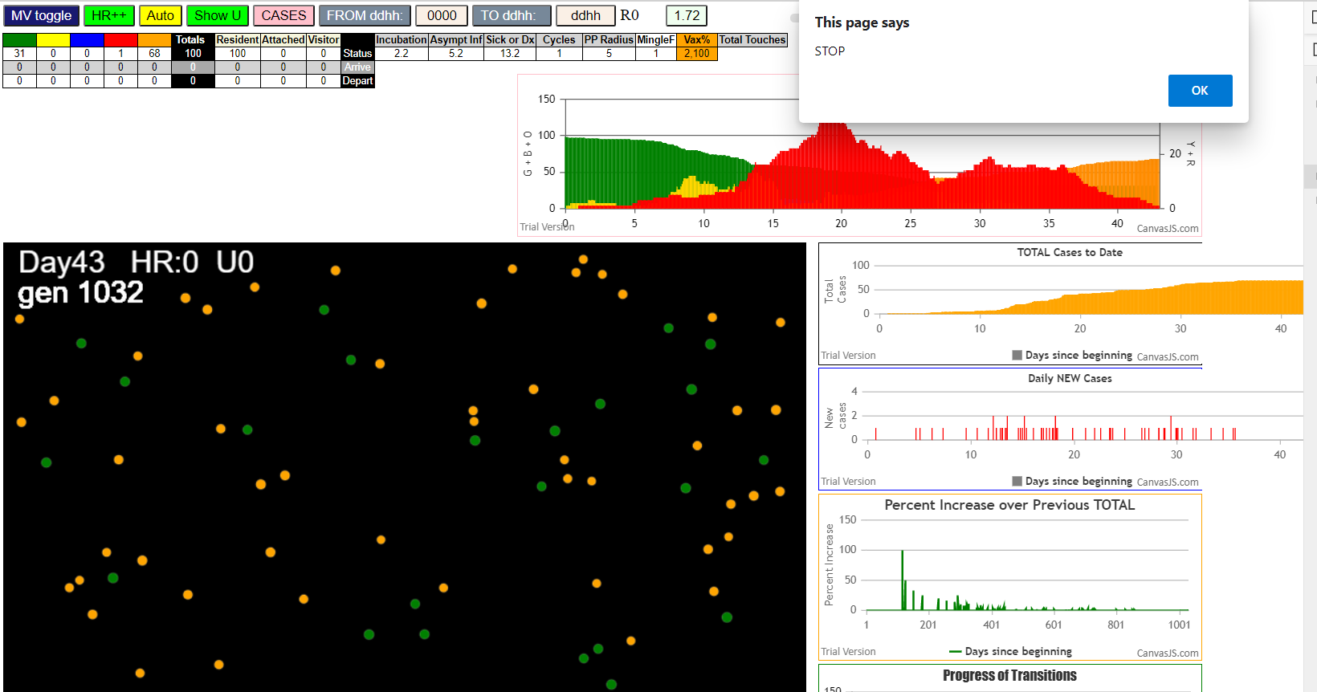

simulationRev2Vax.js:833 Tue Jan 05 2021 10:02:41 GMT-0800 (Pacific Standard Time)
simulationRev2Vax.js:834 CovidSIMVL Mode1 and Mod2 Moderna
simulationRev2Vax.js:4305 exit covidSim
simulationRev2Vax.js:23 getAsText File {name: "HundredAgentsU0mF1.csv", lastModified: 1608077990000, lastModifiedDate: Tue Dec 15 2020 16:19:50 GMT-0800 (Pacific Standard Time), webkitRelativePath: "", size: 2140, …}
simulationRev2Vax.js:32 File {name: "HundredAgentsU0mF1.csv", lastModified: 1608077990000, lastModifiedDate: Tue Dec 15 2020 16:19:50 GMT-0800 (Pacific Standard Time), webkitRelativePath: "", size: 2140, …}
simulationRev2Vax.js:23 getAsText File {name: "VL1.csv", lastModified: 1608081530000, lastModifiedDate: Tue Dec 15 2020 17:18:50 GMT-0800 (Pacific Standard Time), webkitRelativePath: "", size: 65, …}
simulationRev2Vax.js:32 File {name: "VL1.csv", lastModified: 1608081530000, lastModifiedDate: Tue Dec 15 2020 17:18:50 GMT-0800 (Pacific Standard Time), webkitRelativePath: "", size: 65, …}
simulationRev2Vax.js:1318 Case 5,5,3,3.6,4.2,A,5
simulationRev2Vax.js:1665 Mode 2,100 modified
simulationRev2Vax.js:1681 (100) [0, 1, 2, 3, 4, 5, 6, 7, 8, 9, 10, 11, 12, 13, 14, 15, 16, 17, 18, 19, 20, 21, 22, 23, 24, 25, 26, 27, 28, 29, 30, 31, 32, 33, 34, 35, 36, 37, 38, 39, 40, 41, 42, 43, 44, 45, 46, 47, 48, 49, 50, 51, 52, 53, 54, 55, 56, 57, 58, 59, 60, 61, 62, 63, 64, 65, 66, 67, 68, 69, 70, 71, 72, 73, 74, 75, 76, 77, 78, 79, 80, 81, 82, 83, 84, 85, 86, 87, 88, 89, 90, 91, 92, 93, 94, 95, 96, 97, 98, 99]
simulationRev2Vax.js:1691 (99) [0, 1, 2, 3, 4, 6, 7, 8, 9, 10, 11, 12, 13, 14, 15, 16, 17, 18, 19, 20, 21, 22, 23, 24, 25, 26, 27, 28, 29, 30, 31, 32, 33, 34, 35, 36, 37, 38, 39, 40, 41, 42, 43, 44, 45, 46, 47, 48, 49, 50, 51, 52, 53, 54, 55, 56, 57, 58, 59, 60, 61, 62, 63, 64, 65, 66, 67, 68, 69, 70, 71, 72, 73, 74, 75, 76, 77, 78, 79, 80, 81, 82, 83, 84, 85, 86, 87, 88, 89, 90, 91, 92, 93, 94, 95, 96, 97, 98, 99]
simulationRev2Vax.js:1719 Vaccination list = 99
simulationRev2Vax.js:1733 vaccinated 44,57,48,3,85,4,26,62,81,47,53,75,17,88,67,39,46,7,52,36,72,63,58,70,84,71,83,35,19,33,16,61,45,9,76,27,69,32,78,94,1,11,91,64,12,49,43,65,40,89,28,2,79,42,0,13,66,20,73,97,68,99,55,21,98,92,10,80,30,41,93,22,15,25,23,8,95,59,29,56,90,60,18,54,6,50,34,86,82,87,24,74,77,96,31,51,37,14,38
simulationRev2Vax.js:2140 1I j:famKey 73:-1 infected by red i:famKey 5:-1 at gen 96 in Univ0 prob=0.676
simulationRev2Vax.js:2140 2I j:famKey 89:-1 infected by red i:famKey 5:-1 at gen 105 in Univ0 prob=0.404
simulationRev2Vax.js:2157 3I i:famKey 88:-1 infected by yellow j:famKey 89:-1 at gen 153 in U0 prob=0.018
simulationRev2Vax.js:2140 4I j:famKey 91:-1 infected by red i:famKey 5:-1 at gen 156 in Univ0 prob=0.433
simulationRev2Vax.js:2157 5I i:famKey 42:-1 infected by blue j:famKey 73:-1 at gen 184 in U0 prob=0.430
simulationRev2Vax.js:2157 6I i:famKey 24:-1 infected by yellow j:famKey 91:-1 at gen 205 in U0 prob=0.302
simulationRev2Vax.js:2157 7I i:famKey 9:-1 infected by red j:famKey 73:-1 at gen 218 in U0 prob=0.822
simulationRev2Vax.js:2157 8I i:famKey 33:-1 infected by red j:famKey 73:-1 at gen 250 in U0 prob=0.117
simulationRev2Vax.js:2140 9I j:famKey 98:-1 infected by blue i:famKey 88:-1 at gen 257 in Univ0 prob=0.560
simulationRev2Vax.js:2157 10I i:famKey 54:-1 infected by blue j:famKey 91:-1 at gen 266 in U0 prob=0.382
simulationRev2Vax.js:2140 11I j:famKey 84:-1 infected by blue i:famKey 24:-1 at gen 278 in Univ0 prob=0.543
simulationRev2Vax.js:2140 12I j:famKey 82:-1 infected by blue i:famKey 42:-1 at gen 284 in Univ0 prob=0.416
simulationRev2Vax.js:2157 13I i:famKey 14:-1 infected by red j:famKey 73:-1 at gen 286 in U0 prob=0.140
simulationRev2Vax.js:2140 14I j:famKey 44:-1 infected by blue i:famKey 9:-1 at gen 292 in Univ0 prob=0.703
simulationRev2Vax.js:2157 15I i:famKey 19:-1 infected by yellow j:famKey 33:-1 at gen 302 in U0 prob=0.296
simulationRev2Vax.js:2157 16I i:famKey 25:-1 infected by red j:famKey 91:-1 at gen 308 in U0 prob=0.347
simulationRev2Vax.js:2157 16I i:famKey 55:-1 infected by red j:famKey 73:-1 at gen 308 in U0 prob=0.345
simulationRev2Vax.js:2157 18I i:famKey 7:-1 infected by red j:famKey 91:-1 at gen 318 in U0 prob=0.748
simulationRev2Vax.js:2140 19I j:famKey 65:-1 infected by red i:famKey 42:-1 at gen 328 in Univ0 prob=0.038
simulationRev2Vax.js:2157 20I i:famKey 48:-1 infected by blue j:famKey 98:-1 at gen 334 in U0 prob=0.287
simulationRev2Vax.js:2157 21I i:famKey 23:-1 infected by red j:famKey 24:-1 at gen 339 in U0 prob=0.857
simulationRev2Vax.js:2157 22I i:famKey 62:-1 infected by blue j:famKey 82:-1 at gen 361 in U0 prob=0.865
simulationRev2Vax.js:2157 23I i:famKey 28:-1 infected by blue j:famKey 33:-1 at gen 367 in U0 prob=0.865
simulationRev2Vax.js:2140 24I j:famKey 83:-1 infected by blue i:famKey 7:-1 at gen 372 in Univ0 prob=0.912
simulationRev2Vax.js:2140 25I j:famKey 57:-1 infected by blue i:famKey 25:-1 at gen 397 in Univ0 prob=0.935
simulationRev2Vax.js:2140 25I j:famKey 68:-1 infected by red i:famKey 54:-1 at gen 398 in Univ0 prob=0.995
simulationRev2Vax.js:2140 27I j:famKey 94:-1 infected by red i:famKey 82:-1 at gen 401 in Univ0 prob=0.947
simulationRev2Vax.js:2157 28I i:famKey 1:-1 infected by blue j:famKey 65:-1 at gen 443 in U0 prob=0.908
simulationRev2Vax.js:2157 28I i:famKey 3:-1 infected by red j:famKey 33:-1 at gen 444 in U0 prob=0.929
simulationRev2Vax.js:2140 30I j:famKey 92:-1 infected by red i:famKey 84:-1 at gen 453 in Univ0 prob=0.814
simulationRev2Vax.js:2157 31I i:famKey 16:-1 infected by blue j:famKey 83:-1 at gen 463 in U0 prob=0.997
simulationRev2Vax.js:2157 32I i:famKey 13:-1 infected by blue j:famKey 62:-1 at gen 468 in U0 prob=0.812
simulationRev2Vax.js:2157 33I i:famKey 0:-1 infected by blue j:famKey 83:-1 at gen 476 in U0 prob=0.873
simulationRev2Vax.js:2140 34I j:famKey 67:-1 infected by red i:famKey 14:-1 at gen 506 in Univ0 prob=0.983
simulationRev2Vax.js:2157 35I i:famKey 37:-1 infected by red j:famKey 65:-1 at gen 523 in U0 prob=0.855
simulationRev2Vax.js:2140 36I j:famKey 52:-1 infected by blue i:famKey 16:-1 at gen 548 in Univ0 prob=0.923
simulationRev2Vax.js:2157 37I i:famKey 15:-1 infected by red j:famKey 28:-1 at gen 620 in U0 prob=0.905
simulationRev2Vax.js:2157 38I i:famKey 41:-1 infected by red j:famKey 67:-1 at gen 631 in U0 prob=0.916
simulationRev2Vax.js:2140 39I j:famKey 31:-1 infected by red i:famKey 16:-1 at gen 637 in Univ0 prob=0.953
simulationRev2Vax.js:2140 40I j:famKey 36:-1 infected by red i:famKey 3:-1 at gen 656 in Univ0 prob=0.890

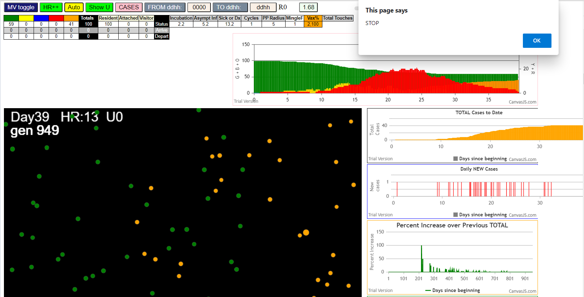

simulationRev2Vax.js:833 Tue Jan 05 2021 10:07:58 GMT-0800 (Pacific Standard Time)
simulationRev2Vax.js:834 CovidSIMVL Mode1 and Mod2 Moderna
simulationRev2Vax.js:4305 exit covidSim
simulationRev2Vax.js:23 getAsText File {name: "HundredAgentsU0mF1.csv", lastModified: 1608077990000, lastModifiedDate: Tue Dec 15 2020 16:19:50 GMT-0800 (Pacific Standard Time), webkitRelativePath: "", size: 2140, …}
simulationRev2Vax.js:32 File {name: "HundredAgentsU0mF1.csv", lastModified: 1608077990000, lastModifiedDate: Tue Dec 15 2020 16:19:50 GMT-0800 (Pacific Standard Time), webkitRelativePath: "", size: 2140, …}
simulationRev2Vax.js:23 getAsText File {name: "VL1.csv", lastModified: 1608081530000, lastModifiedDate: Tue Dec 15 2020 17:18:50 GMT-0800 (Pacific Standard Time), webkitRelativePath: "", size: 65, …}
simulationRev2Vax.js:32 File {name: "VL1.csv", lastModified: 1608081530000, lastModifiedDate: Tue Dec 15 2020 17:18:50 GMT-0800 (Pacific Standard Time), webkitRelativePath: "", size: 65, …}
simulationRev2Vax.js:1318 Case 5,5,3,3.6,4.2,A,5
simulationRev2Vax.js:1665 Mode 2,100 modified
simulationRev2Vax.js:1681 (100) [0, 1, 2, 3, 4, 5, 6, 7, 8, 9, 10, 11, 12, 13, 14, 15, 16, 17, 18, 19, 20, 21, 22, 23, 24, 25, 26, 27, 28, 29, 30, 31, 32, 33, 34, 35, 36, 37, 38, 39, 40, 41, 42, 43, 44, 45, 46, 47, 48, 49, 50, 51, 52, 53, 54, 55, 56, 57, 58, 59, 60, 61, 62, 63, 64, 65, 66, 67, 68, 69, 70, 71, 72, 73, 74, 75, 76, 77, 78, 79, 80, 81, 82, 83, 84, 85, 86, 87, 88, 89, 90, 91, 92, 93, 94, 95, 96, 97, 98, 99]
simulationRev2Vax.js:1691 (99) [0, 1, 2, 3, 4, 6, 7, 8, 9, 10, 11, 12, 13, 14, 15, 16, 17, 18, 19, 20, 21, 22, 23, 24, 25, 26, 27, 28, 29, 30, 31, 32, 33, 34, 35, 36, 37, 38, 39, 40, 41, 42, 43, 44, 45, 46, 47, 48, 49, 50, 51, 52, 53, 54, 55, 56, 57, 58, 59, 60, 61, 62, 63, 64, 65, 66, 67, 68, 69, 70, 71, 72, 73, 74, 75, 76, 77, 78, 79, 80, 81, 82, 83, 84, 85, 86, 87, 88, 89, 90, 91, 92, 93, 94, 95, 96, 97, 98, 99]
simulationRev2Vax.js:1719 Vaccination list = 99
simulationRev2Vax.js:1733 vaccinated 84,88,52,69,12,80,50,37,42,86,4,49,40,96,79,55,47,23,10,53,33,17,65,21,75,26,67,64,87,27,48,63,72,76,31,45,30,99,19,36,16,89,46,60,54,57,81,93,34,95,58,51,74,15,70,90,24,44,97,22,38,13,0,25,61,82,29,43,18,59,77,78,94,62,71,32,35,1,9,28,83,7,91,98,73,68,20,3,2,85,41,39,11,14,56,66,8,6,92
simulationRev2Vax.js:2140 1I j:famKey 49:-1 infected by blue i:famKey 5:-1 at gen 5 in Univ0 prob=0.207
simulationRev2Vax.js:2140 2I j:famKey 88:-1 infected by blue i:famKey 5:-1 at gen 13 in Univ0 prob=0.472
simulationRev2Vax.js:2140 3I j:famKey 26:-1 infected by red i:famKey 5:-1 at gen 24 in Univ0 prob=0.348
simulationRev2Vax.js:2140 4I j:famKey 77:-1 infected by red i:famKey 5:-1 at gen 31 in Univ0 prob=0.708
simulationRev2Vax.js:2140 4I j:famKey 96:-1 infected by red i:famKey 5:-1 at gen 31 in Univ0 prob=0.368
simulationRev2Vax.js:2140 6I j:famKey 91:-1 infected by red i:famKey 5:-1 at gen 59 in Univ0 prob=0.773
simulationRev2Vax.js:2140 7I j:famKey 44:-1 infected by red i:famKey 5:-1 at gen 69 in Univ0 prob=0.198
simulationRev2Vax.js:2140 8I j:famKey 75:-1 infected by red i:famKey 5:-1 at gen 73 in Univ0 prob=0.488
simulationRev2Vax.js:2140 9I j:famKey 38:-1 infected by red i:famKey 5:-1 at gen 76 in Univ0 prob=0.355
simulationRev2Vax.js:2140 10I j:famKey 82:-1 infected by blue i:famKey 26:-1 at gen 79 in Univ0 prob=0.749
simulationRev2Vax.js:2157 11I i:famKey 47:-1 infected by blue j:famKey 88:-1 at gen 91 in U0 prob=0.176
simulationRev2Vax.js:2140 12I j:famKey 46:-1 infected by blue i:famKey 26:-1 at gen 93 in Univ0 prob=0.830
simulationRev2Vax.js:2140 13I j:famKey 92:-1 infected by red i:famKey 5:-1 at gen 98 in Univ0 prob=0.221
simulationRev2Vax.js:2140 13I j:famKey 78:-1 infected by blue i:famKey 77:-1 at gen 98 in Univ0 prob=0.110
simulationRev2Vax.js:2157 15I i:famKey 12:-1 infected by blue j:famKey 88:-1 at gen 100 in U0 prob=0.765
simulationRev2Vax.js:2140 15I j:famKey 50:-1 infected by red i:famKey 5:-1 at gen 101 in Univ0 prob=0.319
simulationRev2Vax.js:2140 17I j:famKey 89:-1 infected by blue i:famKey 49:-1 at gen 107 in Univ0 prob=0.213
simulationRev2Vax.js:2140 18I j:famKey 32:-1 infected by red i:famKey 5:-1 at gen 113 in Univ0 prob=0.186
simulationRev2Vax.js:2157 19I i:famKey 16:-1 infected by blue j:famKey 77:-1 at gen 120 in U0 prob=0.971
simulationRev2Vax.js:2157 20I i:famKey 4:-1 infected by blue j:famKey 88:-1 at gen 122 in U0 prob=0.492
simulationRev2Vax.js:2157 21I i:famKey 13:-1 infected by blue j:famKey 38:-1 at gen 129 in U0 prob=0.846
simulationRev2Vax.js:2140 22I j:famKey 70:-1 infected by red i:famKey 5:-1 at gen 133 in Univ0 prob=0.680
simulationRev2Vax.js:2140 23I j:famKey 99:-1 infected by blue i:famKey 75:-1 at gen 149 in Univ0 prob=0.228
simulationRev2Vax.js:2157 24I i:famKey 63:-1 infected by blue j:famKey 82:-1 at gen 152 in U0 prob=0.867
simulationRev2Vax.js:2157 24I i:famKey 30:-1 infected by blue j:famKey 75:-1 at gen 153 in U0 prob=0.994
simulationRev2Vax.js:2157 24I i:famKey 80:-1 infected by red j:famKey 88:-1 at gen 153 in U0 prob=0.673
simulationRev2Vax.js:2157 25I i:famKey 23:-1 infected by blue j:famKey 82:-1 at gen 154 in U0 prob=0.895
simulationRev2Vax.js:2157 28I i:famKey 60:-1 infected by blue j:famKey 75:-1 at gen 171 in U0 prob=0.479
simulationRev2Vax.js:2140 29I j:famKey 95:-1 infected by red i:famKey 88:-1 at gen 175 in Univ0 prob=0.058
simulationRev2Vax.js:2140 30I j:famKey 53:-1 infected by blue i:famKey 46:-1 at gen 186 in Univ0 prob=0.090
simulationRev2Vax.js:2157 30I i:famKey 34:-1 infected by yellow j:famKey 60:-1 at gen 187 in U0 prob=0.925
simulationRev2Vax.js:2140 30I j:famKey 69:-1 infected by blue i:famKey 44:-1 at gen 187 in Univ0 prob=0.661
simulationRev2Vax.js:2140 33I j:famKey 18:-1 infected by red i:famKey 5:-1 at gen 191 in Univ0 prob=0.117
simulationRev2Vax.js:2157 33I i:famKey 29:-1 infected by yellow j:famKey 60:-1 at gen 192 in U0 prob=0.114
simulationRev2Vax.js:2157 35I i:famKey 48:-1 infected by blue j:famKey 50:-1 at gen 194 in U0 prob=0.819
simulationRev2Vax.js:2157 36I i:famKey 1:-1 infected by red j:famKey 44:-1 at gen 203 in U0 prob=0.327
simulationRev2Vax.js:2140 37I j:famKey 57:-1 infected by blue i:famKey 47:-1 at gen 205 in Univ0 prob=0.497
simulationRev2Vax.js:2157 38I i:famKey 31:-1 infected by red j:famKey 75:-1 at gen 208 in U0 prob=0.285
simulationRev2Vax.js:2157 38I i:famKey 84:-1 infected by red j:famKey 91:-1 at gen 208 in U0 prob=0.314
simulationRev2Vax.js:2157 40I i:famKey 68:-1 infected by red j:famKey 77:-1 at gen 211 in U0 prob=0.627
simulationRev2Vax.js:2157 41I i:famKey 83:-1 infected by yellow j:famKey 95:-1 at gen 224 in U0 prob=0.893
simulationRev2Vax.js:2140 41I j:famKey 61:-1 infected by red i:famKey 44:-1 at gen 225 in Univ0 prob=0.304
simulationRev2Vax.js:2157 43I i:famKey 81:-1 infected by blue j:famKey 95:-1 at gen 231 in U0 prob=0.406
simulationRev2Vax.js:2140 44I j:famKey 85:-1 infected by blue i:famKey 4:-1 at gen 238 in Univ0 prob=0.624
simulationRev2Vax.js:2140 45I j:famKey 90:-1 infected by red i:famKey 4:-1 at gen 251 in Univ0 prob=0.766
simulationRev2Vax.js:2157 46I i:famKey 6:-1 infected by blue j:famKey 23:-1 at gen 255 in U0 prob=0.393
simulationRev2Vax.js:2157 47I i:famKey 24:-1 infected by red j:famKey 75:-1 at gen 260 in U0 prob=0.986
simulationRev2Vax.js:2157 48I i:famKey 42:-1 infected by blue j:famKey 99:-1 at gen 262 in U0 prob=0.468
simulationRev2Vax.js:2157 49I i:famKey 76:-1 infected by red j:famKey 82:-1 at gen 264 in U0 prob=0.645
simulationRev2Vax.js:2157 50I i:famKey 15:-1 infected by blue j:famKey 29:-1 at gen 267 in U0 prob=0.690
simulationRev2Vax.js:2157 51I i:famKey 66:-1 infected by blue j:famKey 69:-1 at gen 269 in U0 prob=0.776
simulationRev2Vax.js:2157 52I i:famKey 41:-1 infected by red j:famKey 80:-1 at gen 273 in U0 prob=0.749
simulationRev2Vax.js:2140 52I j:famKey 73:-1 infected by yellow i:famKey 41:-1 at gen 274 in Univ0 prob=0.434
simulationRev2Vax.js:2157 53I i:famKey 56:-1 infected by blue j:famKey 95:-1 at gen 275 in U0 prob=0.520
simulationRev2Vax.js:2157 55I i:famKey 59:-1 infected by red j:famKey 96:-1 at gen 282 in U0 prob=0.217
simulationRev2Vax.js:2157 56I i:famKey 20:-1 infected by yellow j:famKey 42:-1 at gen 298 in U0 prob=0.438
simulationRev2Vax.js:2140 57I j:famKey 28:-1 infected by red i:famKey 4:-1 at gen 302 in Univ0 prob=0.668
simulationRev2Vax.js:2140 58I j:famKey 65:-1 infected by red i:famKey 4:-1 at gen 306 in Univ0 prob=0.896
simulationRev2Vax.js:2140 59I j:famKey 94:-1 infected by red i:famKey 80:-1 at gen 312 in Univ0 prob=0.996
simulationRev2Vax.js:2157 60I i:famKey 0:-1 infected by red j:famKey 4:-1 at gen 317 in U0 prob=0.941
simulationRev2Vax.js:2157 61I i:famKey 3:-1 infected by red j:famKey 38:-1 at gen 325 in U0 prob=0.891
simulationRev2Vax.js:2157 62I i:famKey 27:-1 infected by red j:famKey 80:-1 at gen 332 in U0 prob=0.999
simulationRev2Vax.js:2157 63I i:famKey 21:-1 infected by red j:famKey 38:-1 at gen 363 in U0 prob=0.905
simulationRev2Vax.js:2140 64I j:famKey 54:-1 infected by red i:famKey 31:-1 at gen 373 in Univ0 prob=0.881
simulationRev2Vax.js:2157 65I i:famKey 33:-1 infected by red j:famKey 34:-1 at gen 403 in U0 prob=0.906
simulationRev2Vax.js:2157 66I i:famKey 67:-1 infected by red j:famKey 99:-1 at gen 428 in U0 prob=0.944
simulationRev2Vax.js:2157 66I i:famKey 25:-1 infected by red j:famKey 34:-1 at gen 429 in U0 prob=0.919
simulationRev2Vax.js:2157 68I i:famKey 9:-1 infected by red j:famKey 81:-1 at gen 433 in U0 prob=0.959
simulationRev2Vax.js:2157 69I i:famKey 19:-1 infected by yellow j:famKey 33:-1 at gen 439 in U0 prob=0.861
simulationRev2Vax.js:2157 70I i:famKey 7:-1 infected by blue j:famKey 21:-1 at gen 455 in U0 prob=0.922
simulationRev2Vax.js:2140 71I j:famKey 87:-1 infected by blue i:famKey 54:-1 at gen 462 in Univ0 prob=0.903
simulationRev2Vax.js:2140 72I j:famKey 79:-1 infected by red i:famKey 65:-1 at gen 490 in Univ0 prob=0.972
simulationRev2Vax.js:2140 73I j:famKey 36:-1 infected by red i:famKey 27:-1 at gen 505 in Univ0 prob=0.873
simulationRev2Vax.js:2157 74I i:famKey 14:-1 infected by blue j:famKey 33:-1 at gen 515 in U0 prob=0.936
simulationRev2Vax.js:2157 75I i:famKey 55:-1 infected by red j:famKey 67:-1 at gen 553 in U0 prob=0.831
simulationRev2Vax.js:2140 76I j:famKey 35:-1 infected by red i:famKey 0:-1 at gen 555 in Univ0 prob=0.830
simulationRev2Vax.js:2140 77I j:famKey 40:-1 infected by blue i:famKey 36:-1 at gen 564 in Univ0 prob=0.809
simulationRev2Vax.js:2140 78I j:famKey 72:-1 infected by red i:famKey 67:-1 at gen 572 in Univ0 prob=0.958
simulationRev2Vax.js:2140 79I j:famKey 51:-1 infected by red i:famKey 27:-1 at gen 600 in Univ0 prob=0.860
simulationRev2Vax.js:2157 80I i:famKey 17:-1 infected by red j:famKey 19:-1 at gen 607 in U0 prob=0.940
simulationRev2Vax.js:2140 81I j:famKey 98:-1 infected by red i:famKey 67:-1 at gen 630 in Univ0 prob=0.844
simulationRev2Vax.js:2157 82I i:famKey 39:-1 infected by blue j:famKey 40:-1 at gen 635 in U0 prob=0.938
simulationRev2Vax.js:2140 83I j:famKey 58:-1 infected by red i:famKey 19:-1 at gen 676 in Univ0 prob=0.925
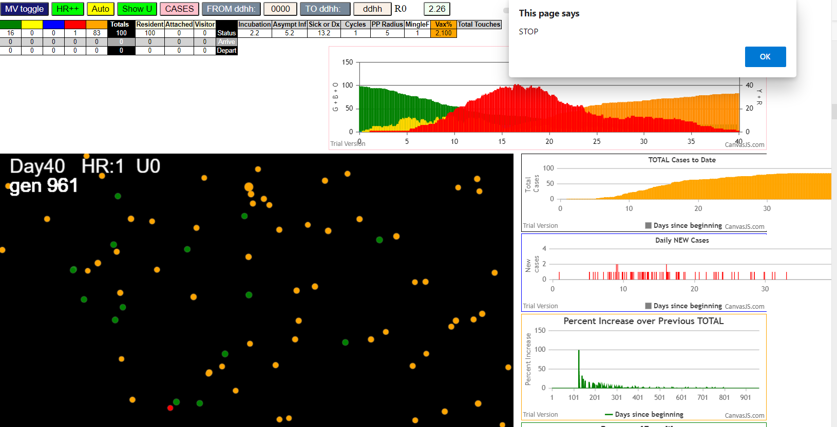

simulationRev2Vax.js:833 Tue Jan 05 2021 10:47:34 GMT-0800 (Pacific Standard Time)
simulationRev2Vax.js:834 CovidSIMVL Mode1 and Mod2 Moderna
simulationRev2Vax.js:4305 exit covidSim
simulationRev2Vax.js:23 getAsText File {name: "HundredAgentsU0mF1.csv", lastModified: 1608077990000, lastModifiedDate: Tue Dec 15 2020 16:19:50 GMT-0800 (Pacific Standard Time), webkitRelativePath: "", size: 2140, …}
simulationRev2Vax.js:32 File {name: "HundredAgentsU0mF1.csv", lastModified: 1608077990000, lastModifiedDate: Tue Dec 15 2020 16:19:50 GMT-0800 (Pacific Standard Time), webkitRelativePath: "", size: 2140, …}
simulationRev2Vax.js:23 getAsText File {name: "VL1.csv", lastModified: 1608081530000, lastModifiedDate: Tue Dec 15 2020 17:18:50 GMT-0800 (Pacific Standard Time), webkitRelativePath: "", size: 65, …}
simulationRev2Vax.js:32 File {name: "VL1.csv", lastModified: 1608081530000, lastModifiedDate: Tue Dec 15 2020 17:18:50 GMT-0800 (Pacific Standard Time), webkitRelativePath: "", size: 65, …}
simulationRev2Vax.js:1318 Case 5,5,3,3.6,4.2,A,5
simulationRev2Vax.js:1621 Red Days changed to 9.2
simulationRev2Vax.js:1665 Mode 1,100 modified
simulationRev2Vax.js:1681 (100) [0, 1, 2, 3, 4, 5, 6, 7, 8, 9, 10, 11, 12, 13, 14, 15, 16, 17, 18, 19, 20, 21, 22, 23, 24, 25, 26, 27, 28, 29, 30, 31, 32, 33, 34, 35, 36, 37, 38, 39, 40, 41, 42, 43, 44, 45, 46, 47, 48, 49, 50, 51, 52, 53, 54, 55, 56, 57, 58, 59, 60, 61, 62, 63, 64, 65, 66, 67, 68, 69, 70, 71, 72, 73, 74, 75, 76, 77, 78, 79, 80, 81, 82, 83, 84, 85, 86, 87, 88, 89, 90, 91, 92, 93, 94, 95, 96, 97, 98, 99]
simulationRev2Vax.js:1691 (99) [0, 1, 2, 3, 4, 6, 7, 8, 9, 10, 11, 12, 13, 14, 15, 16, 17, 18, 19, 20, 21, 22, 23, 24, 25, 26, 27, 28, 29, 30, 31, 32, 33, 34, 35, 36, 37, 38, 39, 40, 41, 42, 43, 44, 45, 46, 47, 48, 49, 50, 51, 52, 53, 54, 55, 56, 57, 58, 59, 60, 61, 62, 63, 64, 65, 66, 67, 68, 69, 70, 71, 72, 73, 74, 75, 76, 77, 78, 79, 80, 81, 82, 83, 84, 85, 86, 87, 88, 89, 90, 91, 92, 93, 94, 95, 96, 97, 98, 99]
simulationRev2Vax.js:1719 Vaccination list = 99
simulationRev2Vax.js:1733 vaccinated 86,41,26,59,93,18,72,89,64,95,6,11,85,71,58,0,32,10,37,56,20,79,69,60,90,46,74,8,43,12,81,29,87,62,2,63,94,25,70,39,47,83,45,30,4,17,31,27,84,23,91,16,19,78,73,38,77,57,50,13,55,52,3,24,68,21,48,96,33,67,92,97,14,28,51,35,65,54,22,53,49,9,40,42,36,99,80,98,66,88,61,34,75,1,7,44,76,15,82
simulationRev2Vax.js:2140 1I j:famKey 48:-1 infected by blue i:famKey 5:-1 at gen 8 in Univ0 prob=0.226
simulationRev2Vax.js:2140 2I j:famKey 18:-1 infected by blue i:famKey 5:-1 at gen 10 in Univ0 prob=0.137
simulationRev2Vax.js:2140 3I j:famKey 72:-1 infected by blue i:famKey 5:-1 at gen 19 in Univ0 prob=0.091
simulationRev2Vax.js:2140 4I j:famKey 85:-1 infected by red i:famKey 5:-1 at gen 27 in Univ0 prob=0.623
simulationRev2Vax.js:2140 5I j:famKey 15:-1 infected by red i:famKey 5:-1 at gen 32 in Univ0 prob=0.735
simulationRev2Vax.js:2157 6I i:famKey 10:-1 infected by blue j:famKey 48:-1 at gen 69 in U0 prob=0.444
simulationRev2Vax.js:2140 7I j:famKey 92:-1 infected by blue i:famKey 85:-1 at gen 84 in Univ0 prob=0.806
simulationRev2Vax.js:2140 8I j:famKey 65:-1 infected by blue i:famKey 48:-1 at gen 94 in Univ0 prob=0.720
simulationRev2Vax.js:2157 9I i:famKey 63:-1 infected by blue j:famKey 85:-1 at gen 100 in U0 prob=0.619
simulationRev2Vax.js:2140 10I j:famKey 78:-1 infected by blue i:famKey 15:-1 at gen 104 in Univ0 prob=0.656
simulationRev2Vax.js:2140 11I j:famKey 19:-1 infected by blue i:famKey 18:-1 at gen 106 in Univ0 prob=0.654
simulationRev2Vax.js:2157 11I i:famKey 50:-1 infected by blue j:famKey 72:-1 at gen 106 in U0 prob=0.431
simulationRev2Vax.js:2157 13I i:famKey 23:-1 infected by blue j:famKey 85:-1 at gen 110 in U0 prob=0.426
simulationRev2Vax.js:2140 13I j:famKey 76:-1 infected by blue i:famKey 48:-1 at gen 110 in Univ0 prob=0.106
simulationRev2Vax.js:2157 13I i:famKey 6:-1 infected by blue j:famKey 48:-1 at gen 111 in U0 prob=0.976
simulationRev2Vax.js:2157 16I i:famKey 40:-1 infected by blue j:famKey 72:-1 at gen 120 in U0 prob=0.364
simulationRev2Vax.js:2140 16I j:famKey 90:-1 infected by blue i:famKey 15:-1 at gen 121 in Univ0 prob=0.705
simulationRev2Vax.js:2140 18I j:famKey 88:-1 infected by blue i:famKey 72:-1 at gen 127 in Univ0 prob=0.064
simulationRev2Vax.js:2140 19I j:famKey 67:-1 infected by blue i:famKey 15:-1 at gen 142 in Univ0 prob=0.779
simulationRev2Vax.js:2157 20I i:famKey 79:-1 infected by blue j:famKey 92:-1 at gen 158 in U0 prob=0.334
simulationRev2Vax.js:2140 20I j:famKey 24:-1 infected by red i:famKey 18:-1 at gen 159 in Univ0 prob=0.168
simulationRev2Vax.js:2140 21I j:famKey 70:-1 infected by red i:famKey 15:-1 at gen 160 in Univ0 prob=0.663
simulationRev2Vax.js:2157 21I i:famKey 35:-1 infected by blue j:famKey 92:-1 at gen 160 in U0 prob=0.358
simulationRev2Vax.js:2157 22I i:famKey 39:-1 infected by red j:famKey 48:-1 at gen 161 in U0 prob=0.386
simulationRev2Vax.js:2157 25I i:famKey 1:-1 infected by blue j:famKey 6:-1 at gen 163 in U0 prob=0.966
simulationRev2Vax.js:2140 25I j:famKey 21:-1 infected by red i:famKey 15:-1 at gen 163 in Univ0 prob=0.057
simulationRev2Vax.js:2157 27I i:famKey 56:-1 infected by red j:famKey 85:-1 at gen 175 in U0 prob=0.090
simulationRev2Vax.js:2157 28I i:famKey 59:-1 infected by blue j:famKey 90:-1 at gen 180 in U0 prob=0.849
simulationRev2Vax.js:2157 29I i:famKey 62:-1 infected by blue j:famKey 92:-1 at gen 184 in U0 prob=0.888
simulationRev2Vax.js:2140 29I j:famKey 29:-1 infected by red i:famKey 18:-1 at gen 185 in Univ0 prob=0.169
simulationRev2Vax.js:2140 30I j:famKey 45:-1 infected by blue i:famKey 6:-1 at gen 186 in Univ0 prob=0.226
simulationRev2Vax.js:2157 32I i:famKey 0:-1 infected by blue j:famKey 78:-1 at gen 200 in U0 prob=0.140
simulationRev2Vax.js:2157 33I i:famKey 33:-1 infected by blue j:famKey 40:-1 at gen 208 in U0 prob=0.676
simulationRev2Vax.js:2140 34I j:famKey 81:-1 infected by red i:famKey 48:-1 at gen 210 in Univ0 prob=0.491
simulationRev2Vax.js:2157 35I i:famKey 43:-1 infected by blue j:famKey 90:-1 at gen 212 in U0 prob=0.998
simulationRev2Vax.js:2140 36I j:famKey 89:-1 infected by blue i:famKey 76:-1 at gen 221 in Univ0 prob=0.669
simulationRev2Vax.js:2140 37I j:famKey 57:-1 infected by blue i:famKey 23:-1 at gen 224 in Univ0 prob=0.770
simulationRev2Vax.js:2157 37I i:famKey 46:-1 infected by red j:famKey 65:-1 at gen 224 in U0 prob=0.361
simulationRev2Vax.js:2140 39I j:famKey 95:-1 infected by red i:famKey 19:-1 at gen 226 in Univ0 prob=0.230
simulationRev2Vax.js:2140 40I j:famKey 51:-1 infected by blue i:famKey 6:-1 at gen 229 in Univ0 prob=0.039
simulationRev2Vax.js:2140 40I j:famKey 26:-1 infected by blue i:famKey 6:-1 at gen 230 in Univ0 prob=0.730
simulationRev2Vax.js:2157 42I i:famKey 64:-1 infected by red j:famKey 76:-1 at gen 233 in U0 prob=0.541
simulationRev2Vax.js:2140 42I j:famKey 73:-1 infected by red i:famKey 10:-1 at gen 234 in Univ0 prob=0.255
simulationRev2Vax.js:2140 44I j:famKey 47:-1 infected by blue i:famKey 29:-1 at gen 237 in Univ0 prob=0.422
simulationRev2Vax.js:2140 45I j:famKey 30:-1 infected by red i:famKey 19:-1 at gen 244 in Univ0 prob=0.727
simulationRev2Vax.js:2157 45I i:famKey 55:-1 infected by red j:famKey 65:-1 at gen 244 in U0 prob=0.989
simulationRev2Vax.js:2157 47I i:famKey 49:-1 infected by blue j:famKey 56:-1 at gen 248 in U0 prob=0.768
simulationRev2Vax.js:2140 47I j:famKey 42:-1 infected by yellow i:famKey 0:-1 at gen 249 in Univ0 prob=0.828
simulationRev2Vax.js:2157 49I i:famKey 17:-1 infected by yellow j:famKey 55:-1 at gen 251 in U0 prob=0.827
simulationRev2Vax.js:2157 50I i:famKey 36:-1 infected by red j:famKey 40:-1 at gen 258 in U0 prob=0.544
simulationRev2Vax.js:2140 51I j:famKey 96:-1 infected by red i:famKey 88:-1 at gen 262 in Univ0 prob=0.621
simulationRev2Vax.js:2157 52I i:famKey 58:-1 infected by red j:famKey 63:-1 at gen 273 in U0 prob=0.421
simulationRev2Vax.js:2157 53I i:famKey 32:-1 infected by red j:famKey 50:-1 at gen 275 in U0 prob=0.702
simulationRev2Vax.js:2140 53I j:famKey 69:-1 infected by red i:famKey 23:-1 at gen 276 in Univ0 prob=0.308
simulationRev2Vax.js:2157 55I i:famKey 20:-1 infected by blue j:famKey 95:-1 at gen 280 in U0 prob=0.407
simulationRev2Vax.js:2140 56I j:famKey 74:-1 infected by blue i:famKey 46:-1 at gen 298 in Univ0 prob=0.543
simulationRev2Vax.js:2140 57I j:famKey 86:-1 infected by red i:famKey 6:-1 at gen 303 in Univ0 prob=0.562
simulationRev2Vax.js:2140 58I j:famKey 68:-1 infected by yellow i:famKey 20:-1 at gen 307 in Univ0 prob=0.569
simulationRev2Vax.js:2140 58I j:famKey 75:-1 infected by red i:famKey 62:-1 at gen 308 in Univ0 prob=0.424
simulationRev2Vax.js:2157 60I i:famKey 16:-1 infected by yellow j:famKey 20:-1 at gen 310 in U0 prob=0.016
simulationRev2Vax.js:2157 61I i:famKey 66:-1 infected by blue j:famKey 81:-1 at gen 321 in U0 prob=0.169
simulationRev2Vax.js:2140 61I j:famKey 28:-1 infected by red i:famKey 1:-1 at gen 322 in Univ0 prob=0.283
simulationRev2Vax.js:2157 63I i:famKey 3:-1 infected by blue j:famKey 46:-1 at gen 326 in U0 prob=0.048
simulationRev2Vax.js:2140 64I j:famKey 52:-1 infected by red i:famKey 26:-1 at gen 358 in Univ0 prob=0.809
simulationRev2Vax.js:2157 65I i:famKey 77:-1 infected by blue j:famKey 86:-1 at gen 424 in U0 prob=0.958
simulationRev2Vax.js:2157 66I i:famKey 7:-1 infected by red j:famKey 75:-1 at gen 429 in U0 prob=0.910
simulationRev2Vax.js:2157 67I i:famKey 4:-1 infected by red j:famKey 86:-1 at gen 439 in U0 prob=0.944
simulationRev2Vax.js:2140 68I j:famKey 94:-1 infected by red i:famKey 69:-1 at gen 460 in Univ0 prob=0.936
simulationRev2Vax.js:2157 69I i:famKey 11:-1 infected by red j:famKey 75:-1 at gen 490 in U0 prob=0.851
simulationRev2Vax.js:2140 70I j:famKey 83:-1 infected by red i:famKey 3:-1 at gen 498 in Univ0 prob=0.932
simulationRev2Vax.js:2140 71I j:famKey 87:-1 infected by red i:famKey 77:-1 at gen 567 in Univ0 prob=0.921
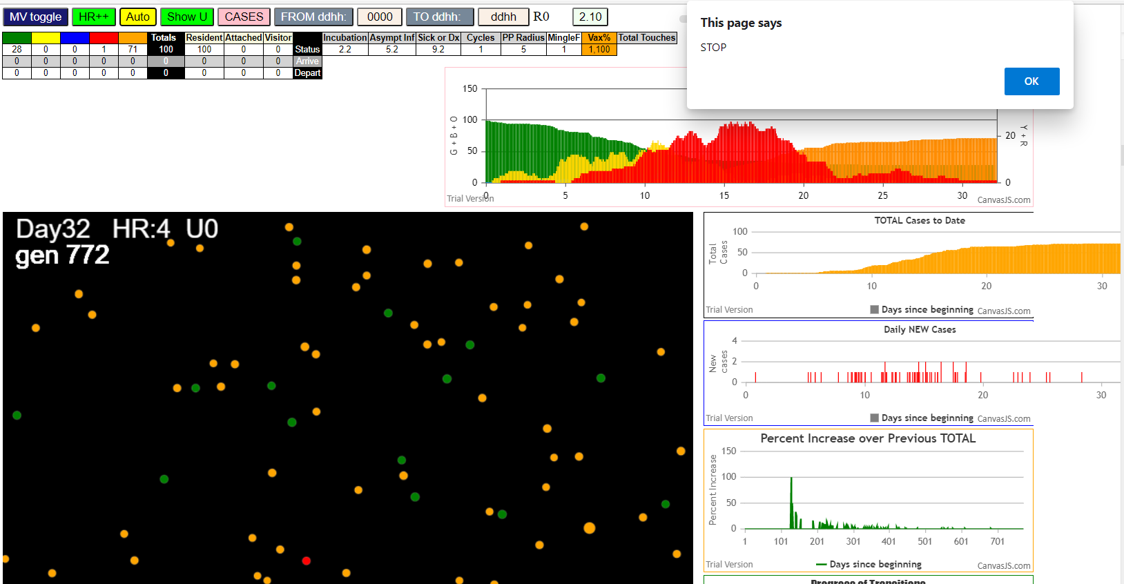

simulationRev2Vax.js:833 Tue Jan 05 2021 10:51:54 GMT-0800 (Pacific Standard Time)
simulationRev2Vax.js:834 CovidSIMVL Mode1 and Mod2 Moderna
simulationRev2Vax.js:4305 exit covidSim
simulationRev2Vax.js:23 getAsText File {name: "HundredAgentsU0mF1.csv", lastModified: 1608077990000, lastModifiedDate: Tue Dec 15 2020 16:19:50 GMT-0800 (Pacific Standard Time), webkitRelativePath: "", size: 2140, …}
simulationRev2Vax.js:32 File {name: "HundredAgentsU0mF1.csv", lastModified: 1608077990000, lastModifiedDate: Tue Dec 15 2020 16:19:50 GMT-0800 (Pacific Standard Time), webkitRelativePath: "", size: 2140, …}
simulationRev2Vax.js:23 getAsText File {name: "VL1.csv", lastModified: 1608081530000, lastModifiedDate: Tue Dec 15 2020 17:18:50 GMT-0800 (Pacific Standard Time), webkitRelativePath: "", size: 65, …}
simulationRev2Vax.js:32 File {name: "VL1.csv", lastModified: 1608081530000, lastModifiedDate: Tue Dec 15 2020 17:18:50 GMT-0800 (Pacific Standard Time), webkitRelativePath: "", size: 65, …}
simulationRev2Vax.js:1318 Case 5,5,3,3.6,4.2,A,5
simulationRev2Vax.js:1621 Red Days changed to 9.2
simulationRev2Vax.js:1665 Mode 1,100 modified
simulationRev2Vax.js:1681 (100) [0, 1, 2, 3, 4, 5, 6, 7, 8, 9, 10, 11, 12, 13, 14, 15, 16, 17, 18, 19, 20, 21, 22, 23, 24, 25, 26, 27, 28, 29, 30, 31, 32, 33, 34, 35, 36, 37, 38, 39, 40, 41, 42, 43, 44, 45, 46, 47, 48, 49, 50, 51, 52, 53, 54, 55, 56, 57, 58, 59, 60, 61, 62, 63, 64, 65, 66, 67, 68, 69, 70, 71, 72, 73, 74, 75, 76, 77, 78, 79, 80, 81, 82, 83, 84, 85, 86, 87, 88, 89, 90, 91, 92, 93, 94, 95, 96, 97, 98, 99]
simulationRev2Vax.js:1691 (99) [0, 1, 2, 3, 4, 6, 7, 8, 9, 10, 11, 12, 13, 14, 15, 16, 17, 18, 19, 20, 21, 22, 23, 24, 25, 26, 27, 28, 29, 30, 31, 32, 33, 34, 35, 36, 37, 38, 39, 40, 41, 42, 43, 44, 45, 46, 47, 48, 49, 50, 51, 52, 53, 54, 55, 56, 57, 58, 59, 60, 61, 62, 63, 64, 65, 66, 67, 68, 69, 70, 71, 72, 73, 74, 75, 76, 77, 78, 79, 80, 81, 82, 83, 84, 85, 86, 87, 88, 89, 90, 91, 92, 93, 94, 95, 96, 97, 98, 99]
simulationRev2Vax.js:1719 Vaccination list = 99
simulationRev2Vax.js:1733 vaccinated 75,47,40,69,65,16,74,54,52,44,73,49,96,48,21,84,32,50,2,45,39,91,29,88,63,0,20,62,15,12,9,72,92,24,89,30,94,35,4,78,41,76,1,90,51,68,36,28,67,86,57,82,79,81,18,64,83,60,53,34,77,56,22,13,19,59,80,87,27,43,97,31,93,8,33,3,58,38,46,71,10,95,98,17,26,55,85,7,70,11,25,66,61,14,6,37,99,42,23
simulationRev2Vax.js:2140 1I j:famKey 51:-1 infected by blue i:famKey 5:-1 at gen 2 in Univ0 prob=0.640
simulationRev2Vax.js:2157 2I i:famKey 4:-1 infected by red j:famKey 5:-1 at gen 34 in U0 prob=0.575
simulationRev2Vax.js:2140 3I j:famKey 69:-1 infected by red i:famKey 5:-1 at gen 48 in Univ0 prob=0.384
simulationRev2Vax.js:2140 4I j:famKey 10:-1 infected by red i:famKey 5:-1 at gen 54 in Univ0 prob=0.438
simulationRev2Vax.js:2157 4I i:famKey 25:-1 infected by yellow j:famKey 51:-1 at gen 54 in U0 prob=0.702
simulationRev2Vax.js:2140 6I j:famKey 59:-1 infected by yellow i:famKey 25:-1 at gen 81 in Univ0 prob=0.035
simulationRev2Vax.js:2140 7I j:famKey 84:-1 infected by blue i:famKey 4:-1 at gen 87 in Univ0 prob=0.503
simulationRev2Vax.js:2140 8I j:famKey 80:-1 infected by red i:famKey 5:-1 at gen 93 in Univ0 prob=0.261
simulationRev2Vax.js:2157 9I i:famKey 0:-1 infected by blue j:famKey 10:-1 at gen 120 in U0 prob=0.190
simulationRev2Vax.js:2140 10I j:famKey 52:-1 infected by blue i:famKey 10:-1 at gen 126 in Univ0 prob=0.857
simulationRev2Vax.js:2157 11I i:famKey 34:-1 infected by blue j:famKey 69:-1 at gen 134 in U0 prob=0.738
simulationRev2Vax.js:2140 12I j:famKey 16:-1 infected by blue i:famKey 4:-1 at gen 136 in Univ0 prob=0.870
simulationRev2Vax.js:2157 13I i:famKey 8:-1 infected by blue j:famKey 84:-1 at gen 138 in U0 prob=0.515
simulationRev2Vax.js:2157 14I i:famKey 18:-1 infected by blue j:famKey 69:-1 at gen 149 in U0 prob=0.291
simulationRev2Vax.js:2140 15I j:famKey 39:-1 infected by blue i:famKey 10:-1 at gen 157 in Univ0 prob=0.003
simulationRev2Vax.js:2157 16I i:famKey 53:-1 infected by blue j:famKey 84:-1 at gen 160 in U0 prob=0.600
simulationRev2Vax.js:2140 17I j:famKey 71:-1 infected by yellow i:famKey 8:-1 at gen 167 in Univ0 prob=0.678
simulationRev2Vax.js:2140 18I j:famKey 73:-1 infected by blue i:famKey 10:-1 at gen 172 in Univ0 prob=0.888
simulationRev2Vax.js:2140 19I j:famKey 21:-1 infected by yellow i:famKey 16:-1 at gen 180 in Univ0 prob=0.649
simulationRev2Vax.js:2157 20I i:famKey 20:-1 infected by blue j:famKey 52:-1 at gen 199 in U0 prob=0.047
simulationRev2Vax.js:2140 21I j:famKey 63:-1 infected by red i:famKey 25:-1 at gen 209 in Univ0 prob=0.724
simulationRev2Vax.js:2157 22I i:famKey 2:-1 infected by blue j:famKey 71:-1 at gen 241 in U0 prob=0.540
simulationRev2Vax.js:2140 23I j:famKey 55:-1 infected by blue i:famKey 39:-1 at gen 244 in Univ0 prob=0.238
simulationRev2Vax.js:2140 24I j:famKey 43:-1 infected by red i:famKey 0:-1 at gen 248 in Univ0 prob=0.140
simulationRev2Vax.js:2140 25I j:famKey 92:-1 infected by red i:famKey 10:-1 at gen 257 in Univ0 prob=0.138
simulationRev2Vax.js:2140 26I j:famKey 44:-1 infected by blue i:famKey 20:-1 at gen 266 in Univ0 prob=0.419
simulationRev2Vax.js:2157 27I i:famKey 76:-1 infected by red j:famKey 80:-1 at gen 271 in U0 prob=0.944
simulationRev2Vax.js:2140 28I j:famKey 74:-1 infected by red i:famKey 8:-1 at gen 274 in Univ0 prob=0.345
simulationRev2Vax.js:2140 28I j:famKey 86:-1 infected by blue i:famKey 20:-1 at gen 274 in Univ0 prob=0.695
simulationRev2Vax.js:2157 28I i:famKey 58:-1 infected by green j:famKey 74:-1 at gen 274 in U0 prob=0.719
simulationRev2Vax.js:2140 28I j:famKey 79:-1 infected by red i:famKey 52:-1 at gen 275 in Univ0 prob=0.790
...
simulationRev2Vax.js:833 Tue Jan 05 2021 10:51:54 GMT-0800 (Pacific Standard Time)
simulationRev2Vax.js:2157 83I i:famKey 12:-1 infected by blue j:famKey 47:-1 at gen 879 in U0 prob=0.072
simulationRev2Vax.js:2140 84I j:famKey 46:-1 infected by blue i:famKey 17:-1 at gen 888 in Univ0 prob=0.769
simulationRev2Vax.js:2140 85I j:famKey 70:-1 infected by red i:famKey 7:-1 at gen 906 in Univ0 prob=0.048
simulationRev2Vax.js:2140 85I j:famKey 37:-1 infected by red i:famKey 13:-1 at gen 907 in Univ0 prob=0.297
simulationRev2Vax.js:2157 85I i:famKey 91:-1 infected by red j:famKey 99:-1 at gen 907 in U0 prob=0.896
simulationRev2Vax.js:2157 88I i:famKey 26:-1 infected by blue j:famKey 85:-1 at gen 926 in U0 prob=0.937
simulationRev2Vax.js:2140 89I j:famKey 49:-1 infected by red i:famKey 24:-1 at gen 929 in Univ0 prob=0.658
simulationRev2Vax.js:2140 90I j:famKey 62:-1 infected by blue i:famKey 60:-1 at gen 964 in Univ0 prob=0.251
simulationRev2Vax.js:2140 91I j:famKey 65:-1 infected by red i:famKey 37:-1 at gen 1034 in Univ0 prob=0.704

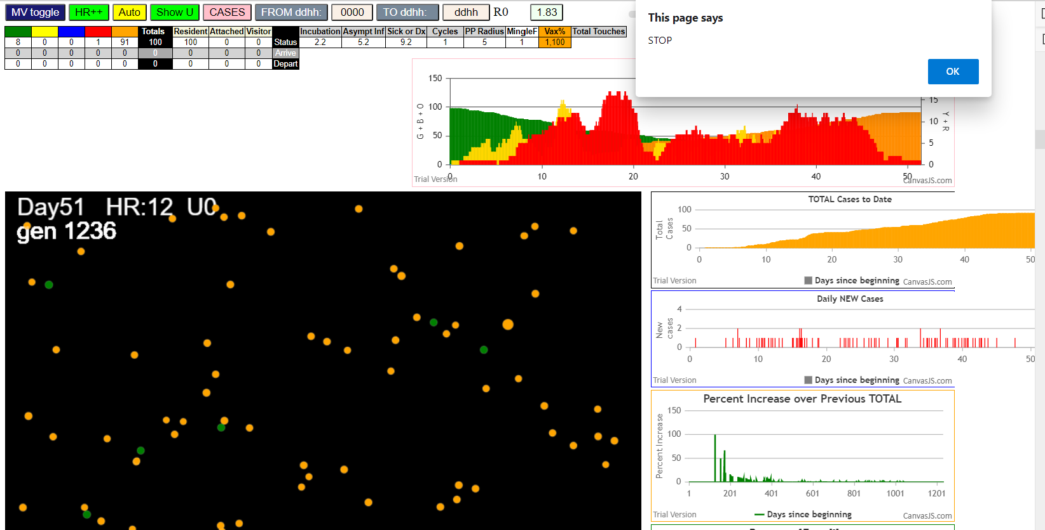

simulationRev2Vax.js:833 Tue Jan 05 2021 11:02:19 GMT-0800 (Pacific Standard Time)
simulationRev2Vax.js:834 CovidSIMVL Mode1 and Mod2 Moderna
simulationRev2Vax.js:4305 exit covidSim
simulationRev2Vax.js:23 getAsText File {name: "HundredAgentsU0mF1.csv", lastModified: 1608077990000, lastModifiedDate: Tue Dec 15 2020 16:19:50 GMT-0800 (Pacific Standard Time), webkitRelativePath: "", size: 2140, …}
simulationRev2Vax.js:32 File {name: "HundredAgentsU0mF1.csv", lastModified: 1608077990000, lastModifiedDate: Tue Dec 15 2020 16:19:50 GMT-0800 (Pacific Standard Time), webkitRelativePath: "", size: 2140, …}
simulationRev2Vax.js:23 getAsText File {name: "VL1.csv", lastModified: 1608081530000, lastModifiedDate: Tue Dec 15 2020 17:18:50 GMT-0800 (Pacific Standard Time), webkitRelativePath: "", size: 65, …}
...
simulationRev2Vax.js:2140 55I j:famKey 25:-1 infected by red i:famKey 8:-1 at gen 597 in Univ0 prob=0.949
simulationRev2Vax.js:2140 56I j:famKey 83:-1 infected by red i:famKey 15:-1 at gen 619 in Univ0 prob=0.921
simulationRev2Vax.js:2157 57I i:famKey 1:-1 infected by red j:famKey 45:-1 at gen 624 in U0 prob=0.955
simulationRev2Vax.js:2157 58I i:famKey 69:-1 infected by blue j:famKey 90:-1 at gen 670 in U0 prob=0.970
simulationRev2Vax.js:2157 59I i:famKey 2:-1 infected by blue j:famKey 83:-1 at gen 723 in U0 prob=0.990
simulationRev2Vax.js:2140 60I j:famKey 13:-1 infected by red i:famKey 1:-1 at gen 825 in Univ0 prob=0.996
simulationRev2Vax.js:2140 61I j:famKey 23:-1 infected by blue i:famKey 13:-1 at gen 899 in Univ0 prob=0.977
simulationRev2Vax.js:2140 62I j:famKey 60:-1 infected by red i:famKey 13:-1 at gen 962 in Univ0 prob=0.998
simulationRev2Vax.js:2157 63I i:famKey 0:-1 infected by red j:famKey 60:-1 at gen 1155 in U0 prob=0.971

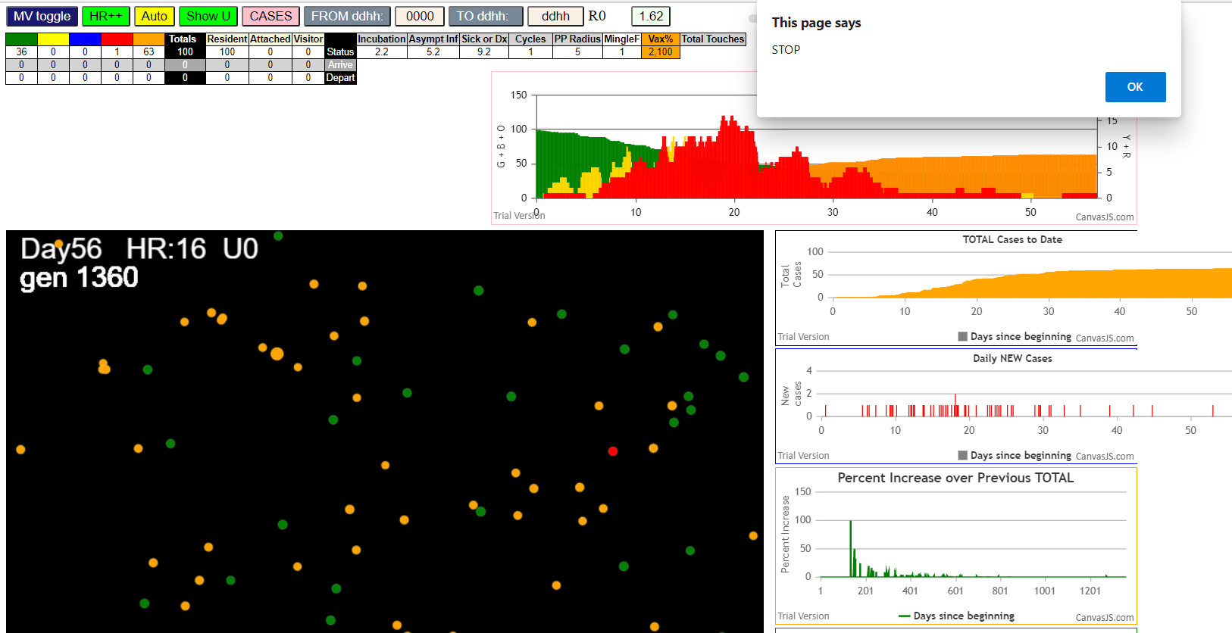

simulationRev2Vax.js:833 Tue Jan 05 2021 11:09:02 GMT-0800 (Pacific Standard Time)
simulationRev2Vax.js:834 CovidSIMVL Mode1 and Mod2 Moderna
simulationRev2Vax.js:4305 exit covidSim
simulationRev2Vax.js:23 getAsText File {name: "HundredAgentsU0mF1.csv", lastModified: 1608077990000, lastModifiedDate: Tue Dec 15 2020 16:19:50 GMT-0800 (Pacific Standard Time), webkitRelativePath: "", size: 2140, …}
simulationRev2Vax.js:32 File {name: "HundredAgentsU0mF1.csv", lastModified: 1608077990000, lastModifiedDate: Tue Dec 15 2020 16:19:50 GMT-0800 (Pacific Standard Time), webkitRelativePath: "", size: 2140, …}
simulationRev2Vax.js:23 getAsText File {name: "VL1.csv", lastModified: 1608081530000, lastModifiedDate: Tue Dec 15 2020 17:18:50 GMT-0800 (Pacific Standard Time), webkitRelativePath: "", size: 65, …}
simulationRev2Vax.js:32 File {name: "VL1.csv", lastModified: 1608081530000, lastModifiedDate: Tue Dec 15 2020 17:18:50 GMT-0800 (Pacific Standard Time), webkitRelativePath: "", size: 65, …}
...
simulationRev2Vax.js:2157 90I i:famKey 4:-1 infected by red j:famKey 29:-1 at gen 954 in U0 prob=0.488
simulationRev2Vax.js:2157 90I i:famKey 67:-1 infected by blue j:famKey 94:-1 at gen 955 in U0 prob=0.554
simulationRev2Vax.js:2157 92I i:famKey 45:-1 infected by blue j:famKey 73:-1 at gen 983 in U0 prob=0.379
simulationRev2Vax.js:2157 93I i:famKey 13:-1 infected by red j:famKey 74:-1 at gen 991 in U0 prob=0.692
simulationRev2Vax.js:2157 94I i:famKey 3:-1 infected by blue j:famKey 19:-1 at gen 1003 in U0 prob=0.119
simulationRev2Vax.js:2157 95I i:famKey 8:-1 infected by red j:famKey 35:-1 at gen 1010 in U0 prob=0.552
simulationRev2Vax.js:2140 96I j:famKey 25:-1 infected by blue i:famKey 13:-1 at gen 1045 in Univ0 prob=0.245
simulationRev2Vax.js:2157 97I i:famKey 12:-1 infected by blue j:famKey 45:-1 at gen 1068 in U0 prob=0.632
simulationRev2Vax.js:2157 98I i:famKey 7:-1 infected by red j:famKey 75:-1 at gen 1104 in U0 prob=0.732

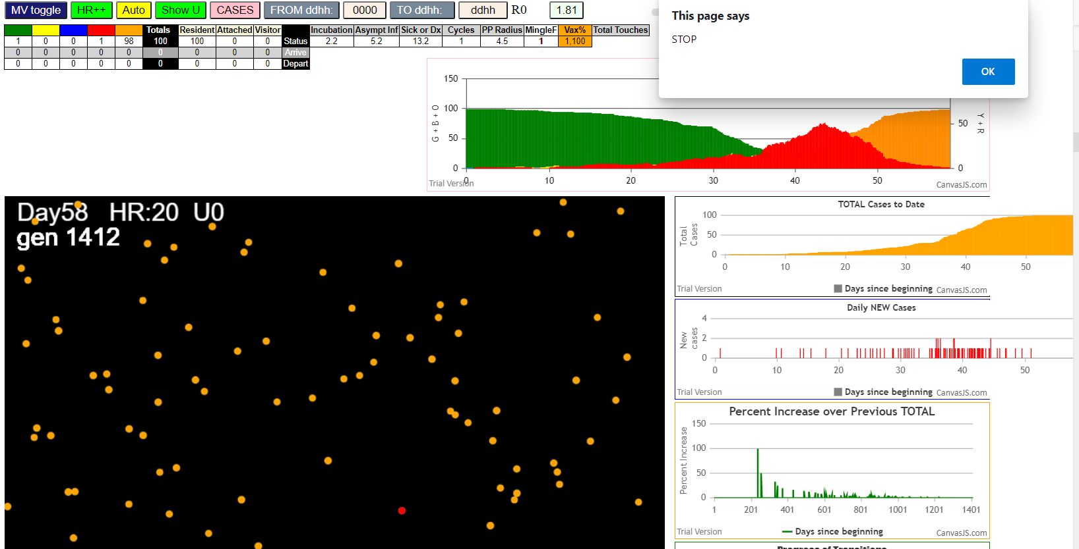

simulationRev2Vax.js:833 Tue Jan 05 2021 11:18:09 GMT-0800 (Pacific Standard Time)
simulationRev2Vax.js:834 CovidSIMVL Mode1 and Mod2 Moderna
simulationRev2Vax.js:4305 exit covidSim
simulationRev2Vax.js:23 getAsText File {name: "HundredAgentsU0mF1.csv", lastModified: 1608077990000, lastModifiedDate: Tue Dec 15 2020 16:19:50 GMT-0800 (Pacific Standard Time), webkitRelativePath: "", size: 2140, …}
simulationRev2Vax.js:32 File {name: "HundredAgentsU0mF1.csv", lastModified: 1608077990000, lastModifiedDate: Tue Dec 15 2020 16:19:50 GMT-0800 (Pacific Standard Time), webkitRelativePath: "", size: 2140, …}
simulationRev2Vax.js:23 getAsText File {name: "VL1.csv", lastModified: 1608081530000, lastModifiedDate: Tue Dec 15 2020 17:18:50 GMT-0800 (Pacific Standard Time), webkitRelativePath: "", size: 65, …}
...
simulationRev2Vax.js:2140 66I j:famKey 94:-1 infected by blue i:famKey 3:-1 at gen 592 in Univ0 prob=0.831
simulationRev2Vax.js:2157 67I i:famKey 49:-1 infected by red j:famKey 93:-1 at gen 601 in U0 prob=0.969
simulationRev2Vax.js:2157 68I i:famKey 19:-1 infected by red j:famKey 69:-1 at gen 613 in U0 prob=0.813
simulationRev2Vax.js:2140 69I j:famKey 44:-1 infected by red i:famKey 18:-1 at gen 621 in Univ0 prob=0.844
simulationRev2Vax.js:2140 70I j:famKey 88:-1 infected by red i:famKey 73:-1 at gen 627 in Univ0 prob=0.954
simulationRev2Vax.js:2140 71I j:famKey 53:-1 infected by red i:famKey 26:-1 at gen 664 in Univ0 prob=0.999
simulationRev2Vax.js:2140 72I j:famKey 79:-1 infected by red i:famKey 57:-1 at gen 677 in Univ0 prob=0.866
simulationRev2Vax.js:2157 73I i:famKey 12:-1 infected by red j:famKey 33:-1 at gen 683 in U0 prob=0.878
simulationRev2Vax.js:2157 74I i:famKey 72:-1 infected by blue j:famKey 94:-1 at gen 690 in U0 prob=0.945

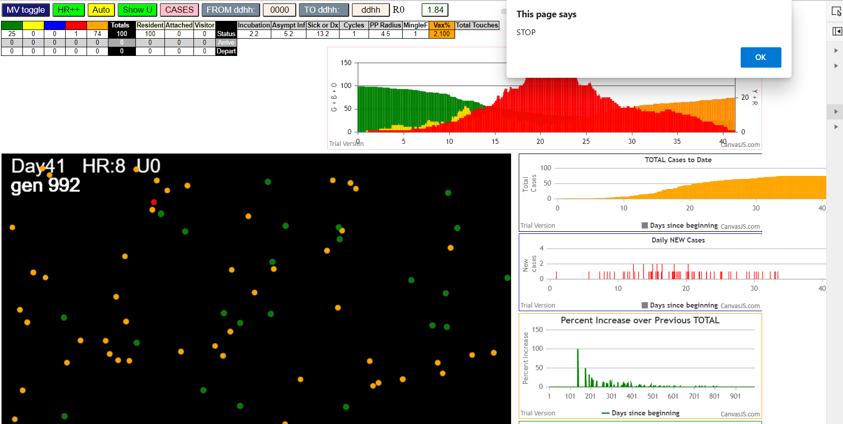

Tue Jan 05 2021 11:26:00 GMT-0800 (Pacific Standard Time)
simulationRev2Vax.js:834 CovidSIMVL Mode1 and Mod2 Moderna
simulationRev2Vax.js:4305 exit covidSim
simulationRev2Vax.js:23 getAsText File {name: "HundredAgentsU0mF1.csv", lastModified: 1608077990000, lastModifiedDate: Tue Dec 15 2020 16:19:50 GMT-0800 (Pacific Standard Time), webkitRelativePath: "", size: 2140, …}
simulationRev2Vax.js:32 File {name: "HundredAgentsU0mF1.csv", lastModified: 1608077990000, lastModifiedDate: Tue Dec 15 2020 16:19:50 GMT-0800 (Pacific Standard Time), webkitRelativePath: "", size: 2140, …}
simulationRev2Vax.js:23 getAsText File {name: "VL1.csv", lastModified: 1608081530000, lastModifiedDate: Tue Dec 15 2020 17:18:50 GMT-0800 (Pacific Standard Time), webkitRelativePath: "", size: 65, …}
...
simulationRev2Vax.js:2157 5I i:famKey 38:-1 infected by blue j:famKey 88:-1 at gen 171 in U0 prob=0.498
simulationRev2Vax.js:2157 6I i:famKey 22:-1 infected by blue j:famKey 87:-1 at gen 177 in U0 prob=0.000
simulationRev2Vax.js:2157 7I i:famKey 23:-1 infected by red j:famKey 88:-1 at gen 257 in U0 prob=0.016
simulationRev2Vax.js:2140 8I j:famKey 72:-1 infected by blue i:famKey 38:-1 at gen 285 in Univ0 prob=0.935
simulationRev2Vax.js:2157 9I i:famKey 27:-1 infected by red j:famKey 33:-1 at gen 312 in U0 prob=0.611
simulationRev2Vax.js:2140 10I j:famKey 91:-1 infected by red i:famKey 22:-1 at gen 315 in Univ0 prob=0.918
simulationRev2Vax.js:2140 11I j:famKey 80:-1 infected by red i:famKey 22:-1 at gen 321 in Univ0 prob=0.151
simulationRev2Vax.js:2140 12I j:famKey 47:-1 infected by red i:famKey 22:-1 at gen 380 in Univ0 prob=0.999
simulationRev2Vax.js:2140 13I j:famKey 63:-1 infected by blue i:famKey 27:-1 at gen 401 in Univ0 prob=0.985

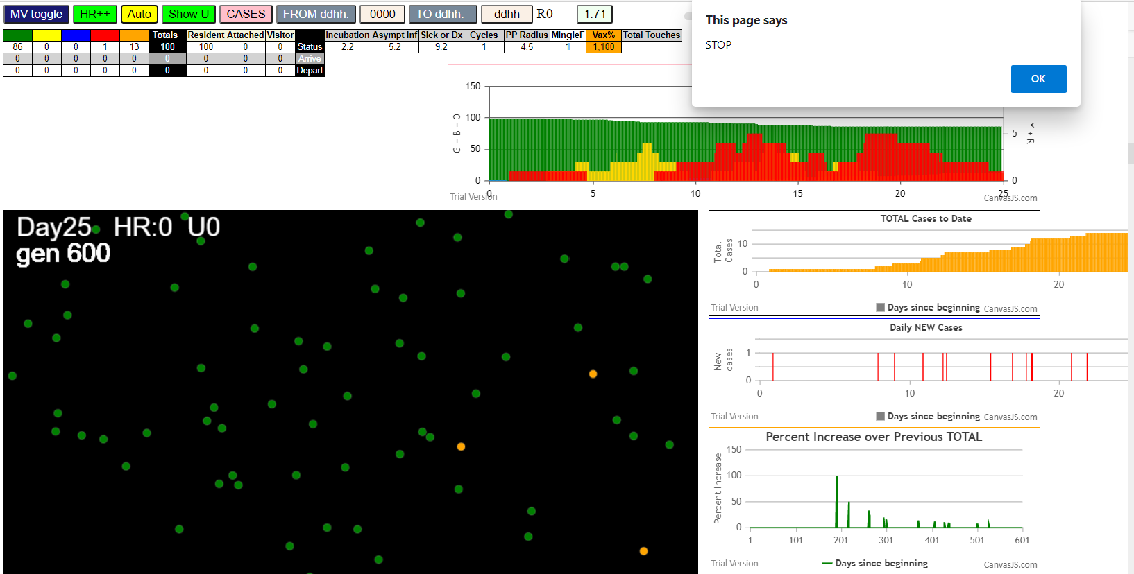

simulationRev2Vax.js:833 Tue Jan 05 2021 11:29:43 GMT-0800 (Pacific Standard Time)
simulationRev2Vax.js:834 CovidSIMVL Mode1 and Mod2 Moderna
simulationRev2Vax.js:4305 exit covidSim
simulationRev2Vax.js:23 getAsText File {name: "HundredAgentsU0mF1.csv", lastModified: 1608077990000, lastModifiedDate: Tue Dec 15 2020 16:19:50 GMT-0800 (Pacific Standard Time), webkitRelativePath: "", size: 2140, …}
simulationRev2Vax.js:32 File {name: "HundredAgentsU0mF1.csv", lastModified: 1608077990000, lastModifiedDate: Tue Dec 15 2020 16:19:50 GMT-0800 (Pacific Standard Time), webkitRelativePath: "", size: 2140, …}
simulationRev2Vax.js:23 getAsText File {name: "VL1.csv", lastModified: 1608081530000, lastModifiedDate: Tue Dec 15 2020 17:18:50 GMT-0800 (Pacific Standard Time), webkitRelativePath: "", size: 65, …}
...
simulationRev2Vax.js:2157 79I i:famKey 66:-1 infected by red j:famKey 81:-1 at gen 1854 in U0 prob=0.148
simulationRev2Vax.js:2157 80I i:famKey 78:-1 infected by red j:famKey 88:-1 at gen 1858 in U0 prob=0.357
simulationRev2Vax.js:2157 80I i:famKey 30:-1 infected by red j:famKey 81:-1 at gen 1859 in U0 prob=0.154
simulationRev2Vax.js:2157 82I i:famKey 71:-1 infected by red j:famKey 81:-1 at gen 1866 in U0 prob=0.320
simulationRev2Vax.js:2157 83I i:famKey 41:-1 infected by red j:famKey 80:-1 at gen 1885 in U0 prob=0.396
simulationRev2Vax.js:2157 84I i:famKey 3:-1 infected by red j:famKey 32:-1 at gen 1984 in U0 prob=0.813
simulationRev2Vax.js:2140 85I j:famKey 74:-1 infected by red i:famKey 61:-1 at gen 2018 in Univ0 prob=0.967
simulationRev2Vax.js:2140 86I j:famKey 44:-1 infected by red i:famKey 41:-1 at gen 2036 in Univ0 prob=0.655
simulationRev2Vax.js:2140 87I j:famKey 98:-1 infected by red i:famKey 3:-1 at gen 2166 in Univ0 prob=0.048

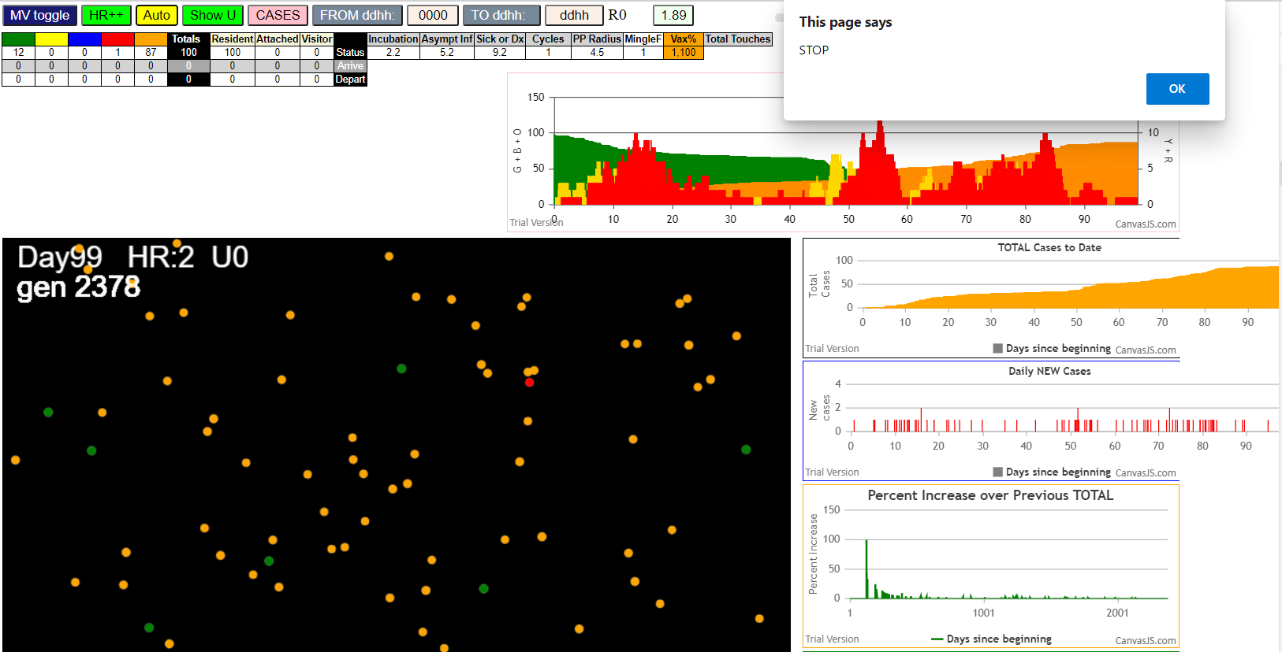

simulationRev2Vax.js:833 Tue Jan 05 2021 11:41:49 GMT-0800 (Pacific Standard Time)
simulationRev2Vax.js:834 CovidSIMVL Mode1 and Mod2 Moderna
simulationRev2Vax.js:4305 exit covidSim
simulationRev2Vax.js:23 getAsText File {name: "HundredAgentsU0mF1.csv", lastModified: 1608077990000, lastModifiedDate: Tue Dec 15 2020 16:19:50 GMT-0800 (Pacific Standard Time), webkitRelativePath: "", size: 2140, …}
simulationRev2Vax.js:32 File {name: "HundredAgentsU0mF1.csv", lastModified: 1608077990000, lastModifiedDate: Tue Dec 15 2020 16:19:50 GMT-0800 (Pacific Standard Time), webkitRelativePath: "", size: 2140, …}
...
simulationRev2Vax.js:2157 81I i:famKey 2:-1 infected by blue j:famKey 60:-1 at gen 1291 in U0 prob=0.266
simulationRev2Vax.js:2140 82I j:famKey 90:-1 infected by blue i:famKey 53:-1 at gen 1317 in Univ0 prob=0.997
simulationRev2Vax.js:2157 83I i:famKey 15:-1 infected by red j:famKey 53:-1 at gen 1337 in U0 prob=0.745
simulationRev2Vax.js:2140 83I j:famKey 30:-1 infected by red i:famKey 4:-1 at gen 1338 in Univ0 prob=0.149
simulationRev2Vax.js:2157 85I i:famKey 48:-1 infected by red j:famKey 60:-1 at gen 1351 in U0 prob=0.466
simulationRev2Vax.js:2157 86I i:famKey 56:-1 infected by blue j:famKey 64:-1 at gen 1363 in U0 prob=0.647
simulationRev2Vax.js:2140 87I j:famKey 20:-1 infected by red i:famKey 2:-1 at gen 1413 in Univ0 prob=0.181
simulationRev2Vax.js:2140 88I j:famKey 59:-1 infected by red i:famKey 15:-1 at gen 1498 in Univ0 prob=0.031
simulationRev2Vax.js:2157 89I i:famKey 8:-1 infected by red j:famKey 59:-1 at gen 1708 in U0 prob=0.500



simulationRev2Vax.js:833 Tue Jan 05 2021 11:53:04 GMT-0800 (Pacific Standard Time)
simulationRev2Vax.js:834 CovidSIMVL Mode1 and Mod2 Moderna
simulationRev2Vax.js:4305 exit covidSim
simulationRev2Vax.js:23 getAsText File
simulationRev2Vax.js:32 File
simulationRev2Vax.js:23 getAsText File
...
simulationRev2Vax.js:2140 56I j:famKey 80:-1 infected by blue i:famKey 34:-1 at gen 330 in Univ0 prob=0.539
simulationRev2Vax.js:2157 57I i:famKey 56:-1 infected by blue j:famKey 69:-1 at gen 370 in U0 prob=0.814
simulationRev2Vax.js:2140 58I j:famKey 37:-1 infected by blue i:famKey 4:-1 at gen 381 in Univ0 prob=0.974
simulationRev2Vax.js:2157 59I i:famKey 50:-1 infected by red j:famKey 95:-1 at gen 397 in U0 prob=0.979
simulationRev2Vax.js:2140 60I j:famKey 36:-1 infected by blue i:famKey 1:-1 at gen 402 in Univ0 prob=0.886
simulationRev2Vax.js:2157 61I i:famKey 46:-1 infected by red j:famKey 58:-1 at gen 415 in U0 prob=0.940
simulationRev2Vax.js:2140 62I j:famKey 39:-1 infected by red i:famKey 4:-1 at gen 444 in Univ0 prob=0.802
simulationRev2Vax.js:2140 62I j:famKey 88:-1 infected by red i:famKey 65:-1 at gen 444 in Univ0 prob=0.877
simulationRev2Vax.js:2140 64I j:famKey 64:-1 infected by red i:famKey 4:-1 at gen 474 in Univ0 prob=0.949

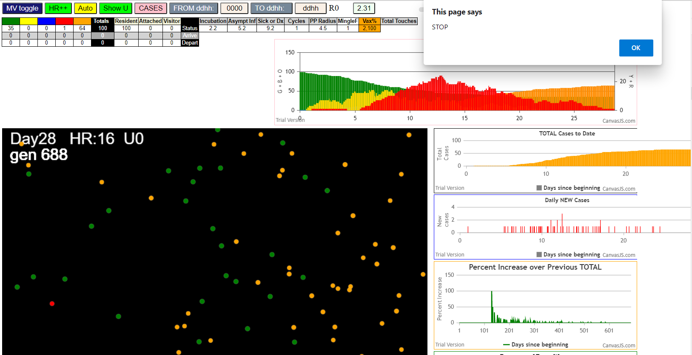

simulationRev2Vax.js:833 Tue Jan 05 2021 11:57:08 GMT-0800 (Pacific Standard Time)
simulationRev2Vax.js:834 CovidSIMVL Mode1 and Mod2 Moderna
simulationRev2Vax.js:4305 exit covidSim
simulationRev2Vax.js:23 getAsText File {name: "HundredAgentsU0mF1.csv", lastModified: 1608077990000, lastModifiedDate: Tue Dec 15 2020 16:19:50 GMT-0800 (Pacific Standard Time), webkitRelativePath: "", size: 2140, …}
simulationRev2Vax.js:32 File {name: "HundredAgentsU0mF1.csv", lastModified: 1608077990000, lastModifiedDate: Tue Dec 15 2020 16:19:50 GMT-0800 (Pacific Standard Time), webkitRelativePath: "", size: 2140, …}
...
simulationRev2Vax.js:2157 57I i:famKey 26:-1 infected by yellow j:famKey 77:-1 at gen 397 in U0 prob=0.989
simulationRev2Vax.js:2140 58I j:famKey 58:-1 infected by red i:famKey 1:-1 at gen 401 in Univ0 prob=0.878
simulationRev2Vax.js:2140 59I j:famKey 82:-1 infected by red i:famKey 80:-1 at gen 408 in Univ0 prob=0.938
simulationRev2Vax.js:2140 60I j:famKey 47:-1 infected by red i:famKey 1:-1 at gen 422 in Univ0 prob=0.982
simulationRev2Vax.js:2157 61I i:famKey 42:-1 infected by red j:famKey 59:-1 at gen 448 in U0 prob=0.845
simulationRev2Vax.js:2157 61I i:famKey 21:-1 infected by blue j:famKey 79:-1 at gen 449 in U0 prob=0.872
simulationRev2Vax.js:2157 63I i:famKey 68:-1 infected by red j:famKey 94:-1 at gen 486 in U0 prob=0.951
simulationRev2Vax.js:2140 64I j:famKey 88:-1 infected by blue i:famKey 47:-1 at gen 497 in Univ0 prob=0.868
simulationRev2Vax.js:2157 65I i:famKey 62:-1 infected by blue j:famKey 68:-1 at gen 543 in U0 prob=0.878

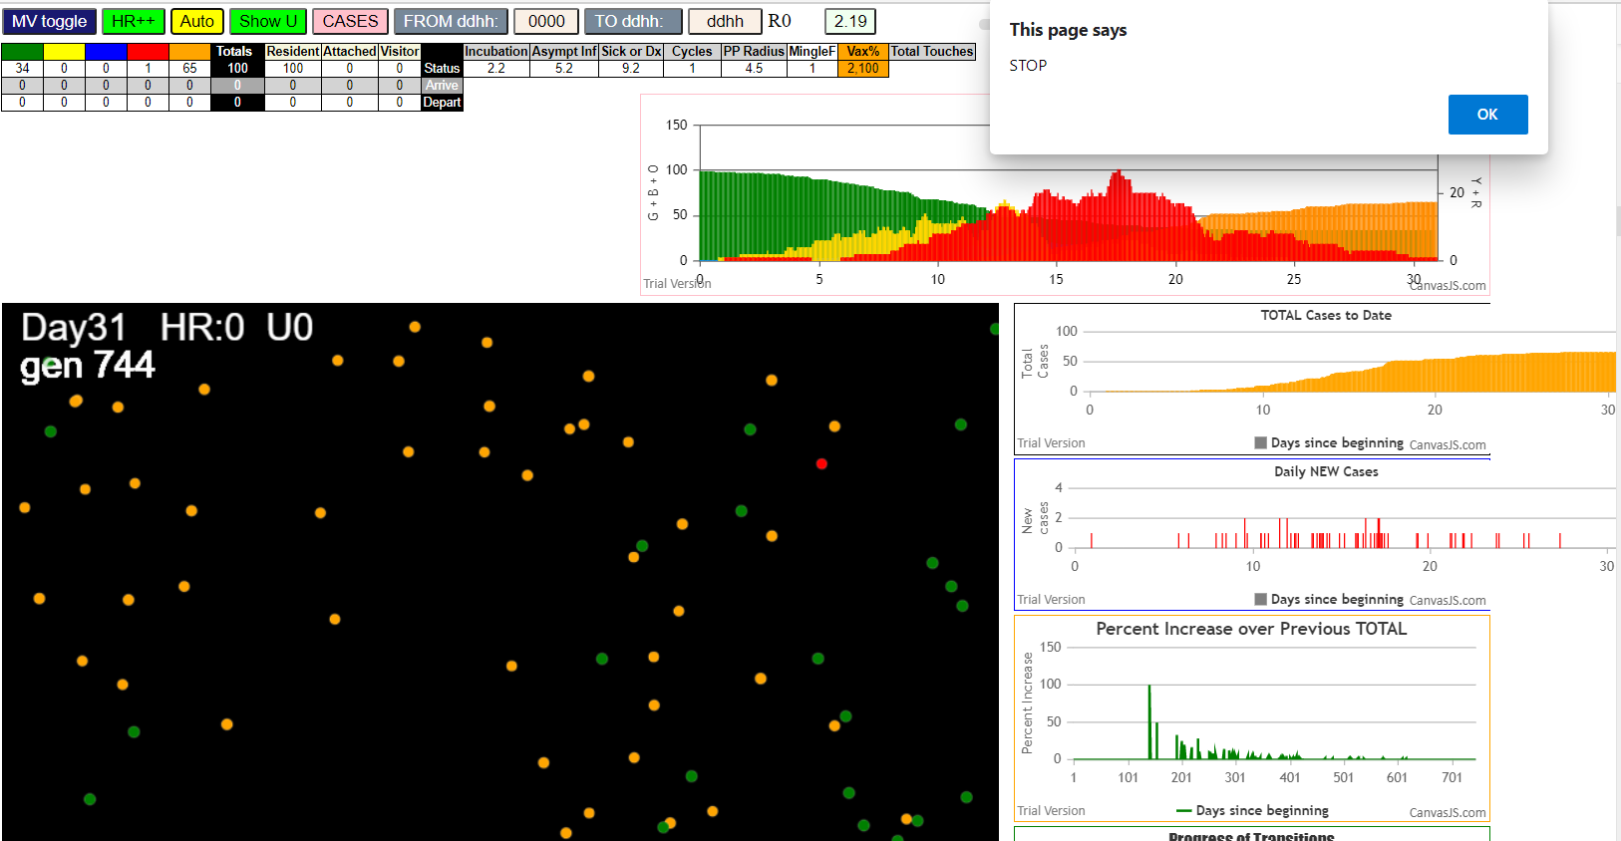

simulationRev2Vax.js:833 Tue Jan 05 2021 12:01:03 GMT-0800 (Pacific Standard Time)
simulationRev2Vax.js:834 CovidSIMVL Mode1 and Mod2 Moderna
simulationRev2Vax.js:4305 exit covidSim
simulationRev2Vax.js:23 getAsText File {name: "HundredAgentsU0mF1.csv", lastModified: 1608077990000, lastModifiedDate: Tue Dec 15 2020 16:19:50 GMT-0800 (Pacific Standard Time), webkitRelativePath: "", size: 2140, …}
simulationRev2Vax.js:32 File {name: "HundredAgentsU0mF1.csv", lastModified: 1608077990000, lastModifiedDate: Tue Dec 15 2020 16:19:50 GMT-0800 (Pacific Standard Time), webkitRelativePath: "", size: 2140, …}
simulationRev2Vax.js:23 getAsText File {name: "VL1.csv", lastModified: 1608081530000, lastModifiedDate: Tue Dec 15 2020 17:18:50 GMT-0800 (Pacific Standard Time), webkitRelativePath: "", size: 65, …}
...
simulationRev2Vax.js:2140 79I j:famKey 62:-1 infected by red i:famKey 22:-1 at gen 1381 in Univ0 prob=0.304
simulationRev2Vax.js:2140 80I j:famKey 99:-1 infected by blue i:famKey 62:-1 at gen 1454 in Univ0 prob=0.298
simulationRev2Vax.js:2157 81I i:famKey 9:-1 infected by red j:famKey 44:-1 at gen 1463 in U0 prob=0.563
simulationRev2Vax.js:2157 82I i:famKey 3:-1 infected by red j:famKey 45:-1 at gen 1466 in U0 prob=0.458
simulationRev2Vax.js:2157 83I i:famKey 76:-1 infected by red j:famKey 92:-1 at gen 1514 in U0 prob=0.226
simulationRev2Vax.js:2140 84I j:famKey 13:-1 infected by blue i:famKey 3:-1 at gen 1576 in Univ0 prob=0.704
simulationRev2Vax.js:2140 85I j:famKey 89:-1 infected by blue i:famKey 76:-1 at gen 1602 in Univ0 prob=0.270
simulationRev2Vax.js:2140 86I j:famKey 53:-1 infected by red i:famKey 40:-1 at gen 1628 in Univ0 prob=0.735
simulationRev2Vax.js:2140 87I j:famKey 47:-1 infected by red i:famKey 3:-1 at gen 1731 in Univ0 prob=0.487

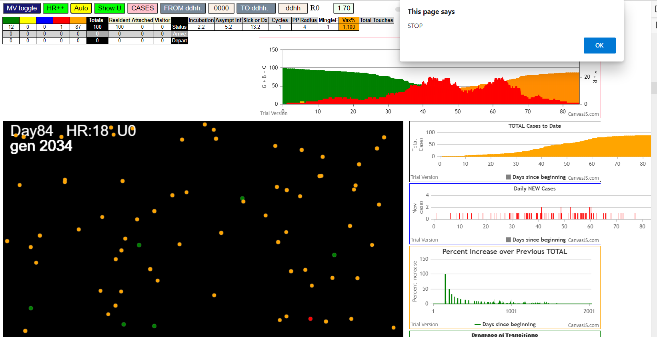

Tue Jan 05 2021 12:11:02 GMT-0800 (Pacific Standard Time)
simulationRev2Vax.js:834 CovidSIMVL Mode1 and Mod2 Moderna
simulationRev2Vax.js:4305 exit covidSim
simulationRev2Vax.js:23 getAsText File {name: "HundredAgentsU0mF1.csv", lastModified: 1608077990000, lastModifiedDate: Tue Dec 15 2020 16:19:50 GMT-0800 (Pacific Standard Time), webkitRelativePath: "", size: 2140, …}
simulationRev2Vax.js:32 File {name: "HundredAgentsU0mF1.csv", lastModified: 1608077990000, lastModifiedDate: Tue Dec 15 2020 16:19:50 GMT-0800 (Pacific Standard Time), webkitRelativePath: "", size: 2140, …}
simulationRev2Vax.js:23 getAsText File {name: "VL1.csv", lastModified: 1608081530000, lastModifiedDate: Tue Dec 15 2020 17:18:50 GMT-0800 (Pacific Standard Time), webkitRelativePath: "", size: 65, …}
simulationRev2Vax.js:32 File {name: "VL1.csv", lastModified: 1608081530000, lastModifiedDate: Tue Dec 15 2020 17:18:50 GMT-0800 (Pacific Standard Time), webkitRelativePath: "", size: 65, …}
simulationRev2Vax.js:1318 Case 5,5,3,3.6,4.2,A,5
simulationRev2Vax.js:2140 0I j:famKey 69:-1 infected by blue i:famKey 5:-1 at gen 1 in Univ0 prob=0.718
...
simulationRev2Vax.js:2140 10I j:famKey 43:-1 infected by red i:famKey 29:-1 at gen 261 in Univ0 prob=0.220
simulationRev2Vax.js:2140 11I j:famKey 86:-1 infected by red i:famKey 68:-1 at gen 279 in Univ0 prob=0.666
simulationRev2Vax.js:2140 12I j:famKey 71:-1 infected by red i:famKey 68:-1 at gen 281 in Univ0 prob=0.379
simulationRev2Vax.js:2140 13I j:famKey 34:-1 infected by red i:famKey 29:-1 at gen 307 in Univ0 prob=0.412
simulationRev2Vax.js:2140 14I j:famKey 51:-1 infected by red i:famKey 34:-1 at gen 464 in Univ0 prob=0.896
simulationRev2Vax.js:2140 15I j:famKey 83:-1 infected by red i:famKey 43:-1 at gen 470 in Univ0 prob=0.900
simulationRev2Vax.js:2157 16I i:famKey 54:-1 infected by red j:famKey 86:-1 at gen 546 in U0 prob=0.944
simulationRev2Vax.js:2140 17I j:famKey 97:-1 infected by red i:famKey 34:-1 at gen 564 in Univ0 prob=0.912
simulationRev2Vax.js:2157 18I i:famKey 38:-1 infected by blue j:famKey 51:-1 at gen 572 in U0 prob=0.898

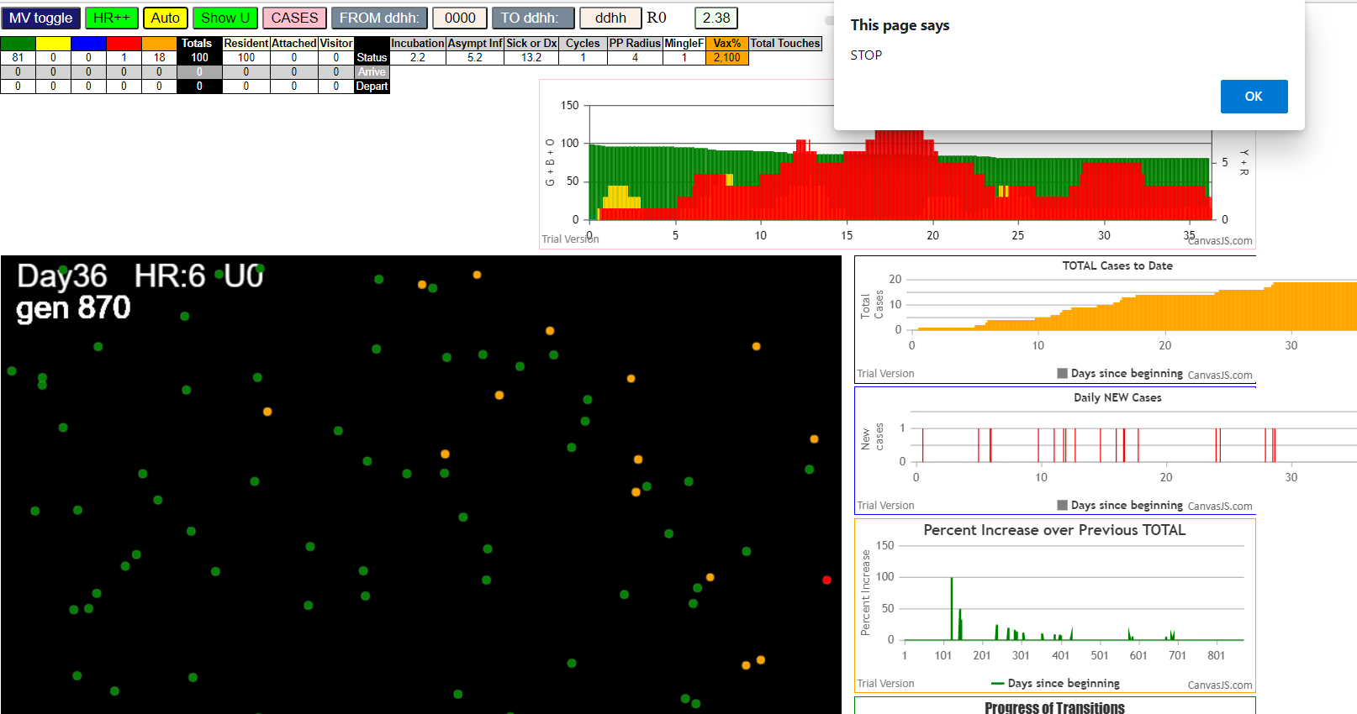

simulationRev2Vax.js:833 Tue Jan 05 2021 12:15:02 GMT-0800 (Pacific Standard Time)
simulationRev2Vax.js:834 CovidSIMVL Mode1 and Mod2 Moderna
simulationRev2Vax.js:4305 exit covidSim
simulationRev2Vax.js:23 getAsText File {name: "HundredAgentsU0mF1.csv", lastModified: 1608077990000, lastModifiedDate: Tue Dec 15 2020 16:19:50 GMT-0800 (Pacific Standard Time), webkitRelativePath: "", size: 2140, …}
simulationRev2Vax.js:32 File {name: "HundredAgentsU0mF1.csv", lastModified: 1608077990000, lastModifiedDate: Tue Dec 15 2020 16:19:50 GMT-0800 (Pacific Standard Time), webkitRelativePath: "", size: 2140, …}
simulationRev2Vax.js:23 getAsText File {name: "VL1.csv", lastModified: 1608081530000, lastModifiedDate: Tue Dec 15 2020 17:18:50 GMT-0800 (Pacific Standard Time), webkitRelativePath: "", size: 65, …}
simulationRev2Vax.js:32 File {name: "VL1.csv", lastModified: 1608081530000, lastModifiedDate: Tue Dec 15 2020 17:18:50 GMT-0800 (Pacific Standard Time), webkitRelativePath: "", size: 65, …}
...
simulationRev2Vax.js:2140 64I j:famKey 79:-1 infected by blue i:famKey 42:-1 at gen 2099 in Univ0 prob=0.206
simulationRev2Vax.js:2140 65I j:famKey 87:-1 infected by blue i:famKey 79:-1 at gen 2177 in Univ0 prob=0.843
simulationRev2Vax.js:2157 66I i:famKey 78:-1 infected by blue j:famKey 87:-1 at gen 2252 in U0 prob=0.578
simulationRev2Vax.js:2140 67I j:famKey 92:-1 infected by red i:famKey 87:-1 at gen 2307 in Univ0 prob=0.832
simulationRev2Vax.js:2157 68I i:famKey 36:-1 infected by blue j:famKey 92:-1 at gen 2412 in U0 prob=0.848
simulationRev2Vax.js:2157 69I i:famKey 31:-1 infected by red j:famKey 36:-1 at gen 2608 in U0 prob=0.251
simulationRev2Vax.js:2140 70I j:famKey 52:-1 infected by red i:famKey 31:-1 at gen 2740 in Univ0 prob=0.693
simulationRev2Vax.js:2157 71I i:famKey 13:-1 infected by red j:famKey 31:-1 at gen 2758 in U0 prob=0.104
simulationRev2Vax.js:2140 72I j:famKey 28:-1 infected by red i:famKey 13:-1 at gen 2940 in Univ0 prob=0.701

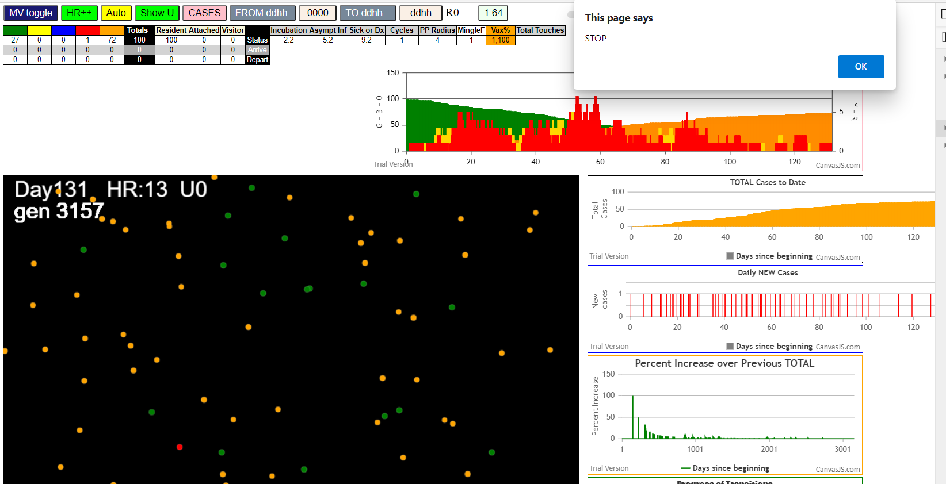

Tue Jan 05 2021 12:33:15 GMT-0800 (Pacific Standard Time)
simulationRev2Vax.js:834 CovidSIMVL Mode1 and Mod2 Moderna
simulationRev2Vax.js:4305 exit covidSim
simulationRev2Vax.js:23 getAsText File {name: "HundredAgentsU0mF1.csv", lastModified: 1608077990000, lastModifiedDate: Tue Dec 15 2020 16:19:50 GMT-0800 (Pacific Standard Time), webkitRelativePath: "", size: 2140, …}
simulationRev2Vax.js:32 File {name: "HundredAgentsU0mF1.csv", lastModified: 1608077990000, lastModifiedDate: Tue Dec 15 2020 16:19:50 GMT-0800 (Pacific Standard Time), webkitRelativePath: "", size: 2140, …}
simulationRev2Vax.js:23 getAsText File {name: "VL1.csv", lastModified: 1608081530000, lastModifiedDate: Tue Dec 15 2020 17:18:50 GMT-0800 (Pacific Standard Time), webkitRelativePath: "", size: 65, …}
simulationRev2Vax.js:32 File {name: "VL1.csv", lastModified: 1608081530000, lastModifiedDate: Tue Dec 15 2020 17:18:50 GMT-0800 (Pacific Standard Time), webkitRelativePath: "", size: 65, …}
simulationRev2Vax.js:1318 Case 5,5,3,3.6,4.2,A,5
...
simulationRev2Vax.js:2140 8I j:famKey 82:-1 infected by red i:famKey 60:-1 at gen 231 in Univ0 prob=0.067
simulationRev2Vax.js:2140 9I j:famKey 73:-1 infected by blue i:famKey 52:-1 at gen 233 in Univ0 prob=0.330
simulationRev2Vax.js:2140 10I j:famKey 88:-1 infected by blue i:famKey 71:-1 at gen 273 in Univ0 prob=0.683
simulationRev2Vax.js:2157 11I i:famKey 68:-1 infected by blue j:famKey 71:-1 at gen 283 in U0 prob=0.918
simulationRev2Vax.js:2157 12I i:famKey 15:-1 infected by blue j:famKey 71:-1 at gen 292 in U0 prob=0.361
simulationRev2Vax.js:2140 12I j:famKey 59:-1 infected by red i:famKey 52:-1 at gen 292 in Univ0 prob=0.931
simulationRev2Vax.js:2140 14I j:famKey 42:-1 infected by blue i:famKey 13:-1 at gen 300 in Univ0 prob=0.568
simulationRev2Vax.js:2157 15I i:famKey 61:-1 infected by red j:famKey 71:-1 at gen 324 in U0 prob=0.023
simulationRev2Vax.js:2140 16I j:famKey 91:-1 infected by red i:famKey 9:-1 at gen 364 in Univ0 prob=0.895

